Front Cover
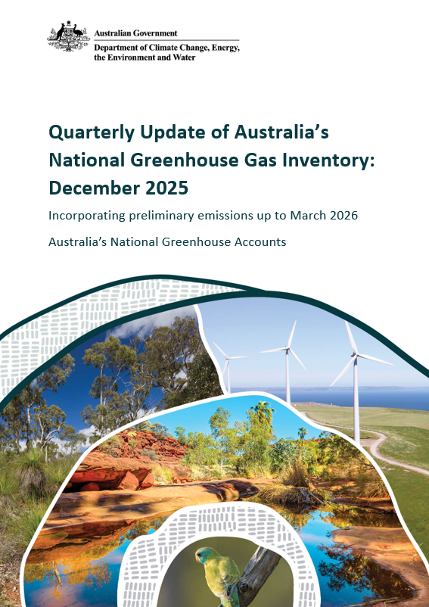

Copyright
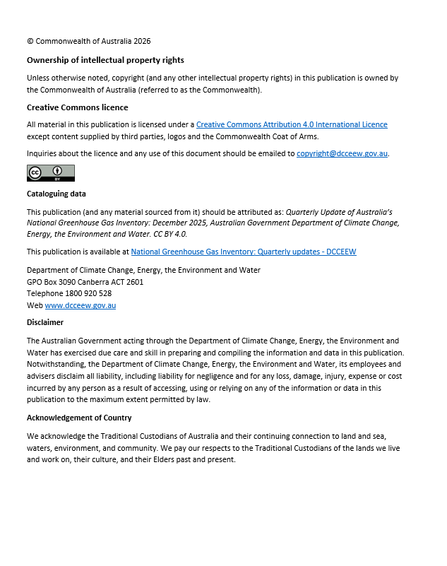

Figure P1
Quarterly Update of Australia's National Greenhouse Gas Inventory | Figures and Tables for the December Quarter 2025
Click here to return to contents page

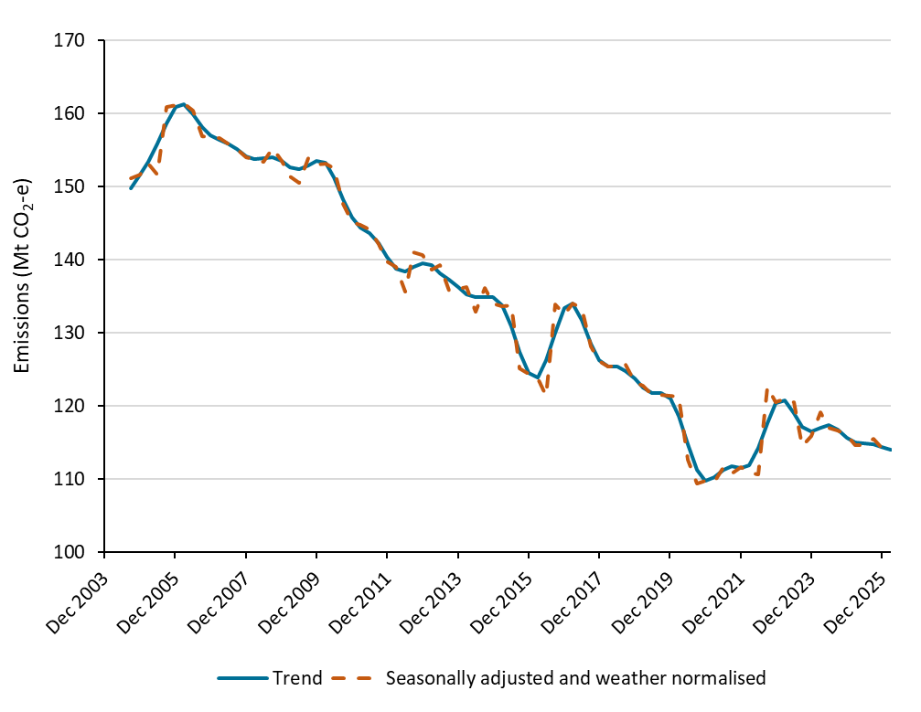
Figure P1: Emissions, by quarter, September 2004 to December 2025 (including preliminary March 2026)
Units: | Million tonnes of carbon dioxide equivalent | Million tonnes of carbon dioxide equivalent
Quarter | Seasonally adjusted and weather normalised | Trend
2004-09-01 | 151.2 | 149.8
2004-12-01 | 151.7 | 151.6
2005-03-01 | 153.2 | 153.5
2005-06-01 | 151.6 | 155.9
2005-09-01 | 161.0 | 158.7
2005-12-01 | 161.2 | 160.9
2006-03-01 | 161.4 | 161.2
2006-06-01 | 160.4 | 160.0
2006-09-01 | 157.0 | 158.2
2006-12-01 | 156.8 | 157.0
2007-03-01 | 156.7 | 156.4
2007-06-01 | 156.0 | 155.9
2007-09-01 | 155.2 | 155.1
2007-12-01 | 154.1 | 154.2
2008-03-01 | 153.8 | 153.7
2008-06-01 | 153.4 | 153.9
2008-09-01 | 155.3 | 154.0
2008-12-01 | 153.6 | 153.5
2009-03-01 | 151.4 | 152.7
2009-06-01 | 150.6 | 152.4
2009-09-01 | 153.9 | 152.9
2009-12-01 | 153.0 | 153.6
2010-03-01 | 153.2 | 153.3
2010-06-01 | 152.5 | 151.3
2010-09-01 | 147.7 | 148.3
2010-12-01 | 145.1 | 145.7
2011-03-01 | 144.8 | 144.4
2011-06-01 | 144.2 | 143.7
2011-09-01 | 142.2 | 142.2
2011-12-01 | 139.8 | 140.4
2012-03-01 | 139.0 | 138.8
2012-06-01 | 135.7 | 138.4
2012-09-01 | 141.0 | 139.0
2012-12-01 | 140.7 | 139.5
2013-03-01 | 138.6 | 139.3
2013-06-01 | 139.3 | 138.2
2013-09-01 | 135.8 | 137.2
2013-12-01 | 136.0 | 136.2
2014-03-01 | 136.3 | 135.3
2014-06-01 | 132.9 | 134.9
2014-09-01 | 136.2 | 134.9
2014-12-01 | 134.0 | 134.9
2015-03-01 | 133.6 | 133.7
2015-06-01 | 133.8 | 130.9
2015-09-01 | 125.2 | 127.4
2015-12-01 | 124.4 | 124.5
2016-03-01 | 123.7 | 123.9
2016-06-01 | 121.4 | 126.2
2016-09-01 | 133.9 | 130.0
2016-12-01 | 132.6 | 133.3
2017-03-01 | 134.0 | 134.0
2017-06-01 | 133.4 | 131.8
2017-09-01 | 128.1 | 128.6
2017-12-01 | 126.1 | 126.2
2018-03-01 | 125.4 | 125.4
2018-06-01 | 125.4 | 125.3
2018-09-01 | 125.7 | 124.8
2018-12-01 | 123.2 | 123.7
2019-03-01 | 122.7 | 122.5
2019-06-01 | 121.5 | 121.7
2019-09-01 | 121.5 | 121.7
2019-12-01 | 121.4 | 121.0
2020-03-01 | 121.3 | 118.6
2020-06-01 | 112.6 | 114.8
2020-09-01 | 109.3 | 111.3
2020-12-01 | 109.8 | 109.7
2021-03-01 | 109.7 | 110.2
2021-06-01 | 111.7 | 111.3
2021-09-01 | 110.7 | 111.8
2021-12-01 | 111.5 | 111.5
2022-03-01 | 110.8 | 111.9
2022-06-01 | 110.6 | 114.2
2022-09-01 | 122.7 | 117.7
2022-12-01 | 120.4 | 120.3
2023-03-01 | 121.0 | 120.7
2023-06-01 | 120.5 | 119.0
2023-09-01 | 114.5 | 117.1
2023-12-01 | 115.8 | 116.5
2024-03-01 | 119.1 | 116.9
2024-06-01 | 116.9 | 117.3
2024-09-01 | 116.6 | 116.7
2024-12-01 | 115.9 | 115.6
2025-03-01 | 114.6 | 115.0
2025-06-01 | 114.6 | 114.8
2025-09-01 | 115.5 | 114.7
2025-12-01 | 114.2 | 114.4
2026-03-01 | 113.4 | 114.0

Source: Department of Climate Change, Energy, the Environment and Water

Figure 1
Quarterly Update of Australia's National Greenhouse Gas Inventory | Figures and Tables for the December Quarter 2025
Click here to return to contents page

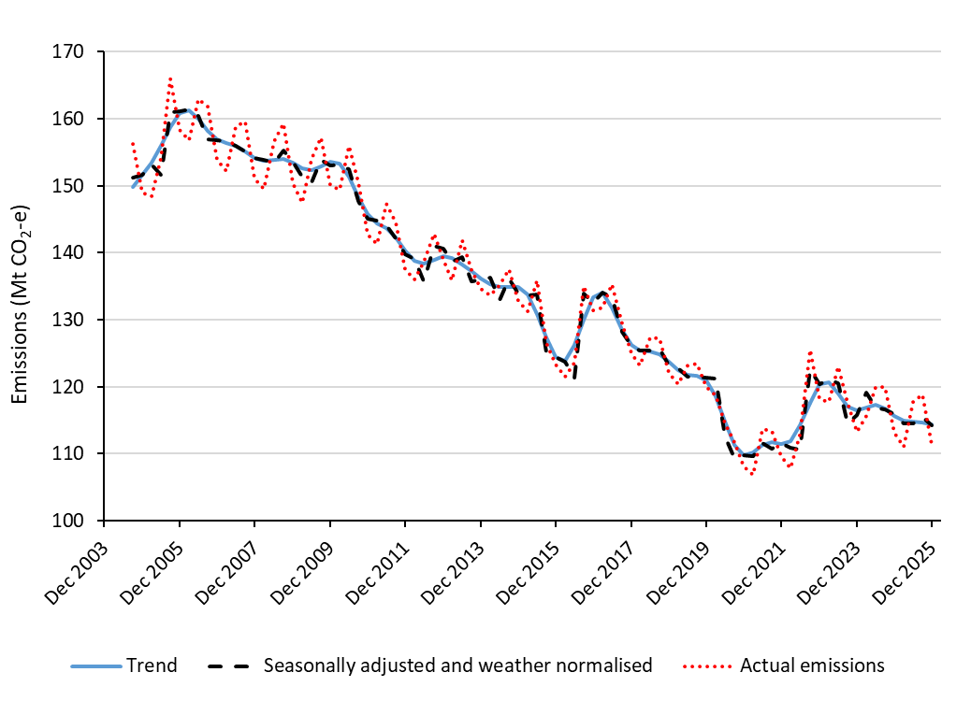
Figure 1: Emissions, by quarter, September 2004 to December 2025
Units: | Million tonnes of carbon dioxide equivalent | Million tonnes of carbon dioxide equivalent | Million tonnes of carbon dioxide equivalent
Quarter | Actual emissions | Seasonally adjusted and weather normalised | Trend
2004-09-01 | 156.3 | 151.2 | 149.8
2004-12-01 | 148.9 | 151.7 | 151.6
2005-03-01 | 148.4 | 153.2 | 153.5
2005-06-01 | 154.1 | 151.6 | 155.9
2005-09-01 | 166.0 | 161.0 | 158.7
2005-12-01 | 158.3 | 161.2 | 160.9
2006-03-01 | 156.8 | 161.4 | 161.2
2006-06-01 | 163.0 | 160.4 | 160.0
2006-09-01 | 161.8 | 157.0 | 158.2
2006-12-01 | 153.9 | 156.8 | 157.0
2007-03-01 | 152.2 | 156.7 | 156.4
2007-06-01 | 158.8 | 156.0 | 155.9
2007-09-01 | 159.6 | 155.2 | 155.1
2007-12-01 | 151.0 | 154.1 | 154.2
2008-03-01 | 149.6 | 153.8 | 153.7
2008-06-01 | 156.6 | 153.4 | 153.9
2008-09-01 | 159.3 | 155.3 | 154.0
2008-12-01 | 150.4 | 153.6 | 153.5
2009-03-01 | 147.4 | 151.4 | 152.7
2009-06-01 | 154.0 | 150.6 | 152.4
2009-09-01 | 157.2 | 153.9 | 152.9
2009-12-01 | 150.1 | 153.0 | 153.6
2010-03-01 | 149.5 | 153.2 | 153.3
2010-06-01 | 155.9 | 152.5 | 151.3
2010-09-01 | 150.5 | 147.7 | 148.3
2010-12-01 | 142.6 | 145.1 | 145.7
2011-03-01 | 141.4 | 144.8 | 144.4
2011-06-01 | 147.4 | 144.2 | 143.7
2011-09-01 | 144.5 | 142.2 | 142.2
2011-12-01 | 137.5 | 139.8 | 140.4
2012-03-01 | 136.0 | 139.0 | 138.8
2012-06-01 | 138.6 | 135.7 | 138.4
2012-09-01 | 142.9 | 141.0 | 139.0
2012-12-01 | 138.9 | 140.7 | 139.5
2013-03-01 | 135.9 | 138.6 | 139.3
2013-06-01 | 141.8 | 139.3 | 138.2
2013-09-01 | 137.5 | 135.8 | 137.2
2013-12-01 | 134.6 | 136.0 | 136.2
2014-03-01 | 133.7 | 136.3 | 135.3
2014-06-01 | 135.2 | 132.9 | 134.9
2014-09-01 | 137.6 | 136.2 | 134.9
2014-12-01 | 132.8 | 134.0 | 134.9
2015-03-01 | 131.2 | 133.6 | 133.7
2015-06-01 | 135.9 | 133.8 | 130.9
2015-09-01 | 126.5 | 125.2 | 127.4
2015-12-01 | 123.3 | 124.4 | 124.5
2016-03-01 | 121.5 | 123.7 | 123.9
2016-06-01 | 123.6 | 121.4 | 126.2
2016-09-01 | 135.1 | 133.9 | 130.0
2016-12-01 | 131.4 | 132.6 | 133.3
2017-03-01 | 131.9 | 134.0 | 134.0
2017-06-01 | 135.3 | 133.4 | 131.8
2017-09-01 | 129.4 | 128.1 | 128.6
2017-12-01 | 125.0 | 126.1 | 126.2
2018-03-01 | 123.2 | 125.4 | 125.4
2018-06-01 | 127.4 | 125.4 | 125.3
2018-09-01 | 127.2 | 125.7 | 124.8
2018-12-01 | 122.1 | 123.2 | 123.7
2019-03-01 | 120.4 | 122.7 | 122.5
2019-06-01 | 123.2 | 121.5 | 121.7
2019-09-01 | 123.5 | 121.5 | 121.7
2019-12-01 | 120.0 | 121.4 | 121.0
2020-03-01 | 118.7 | 121.3 | 118.6
2020-06-01 | 114.5 | 112.6 | 114.8
2020-09-01 | 111.8 | 109.3 | 111.3
2020-12-01 | 108.1 | 109.8 | 109.7
2021-03-01 | 106.8 | 109.7 | 110.2
2021-06-01 | 113.7 | 111.7 | 111.3
2021-09-01 | 113.5 | 110.7 | 111.8
2021-12-01 | 109.6 | 111.5 | 111.5
2022-03-01 | 107.8 | 110.8 | 111.9
2022-06-01 | 112.9 | 110.6 | 114.2
2022-09-01 | 125.6 | 122.7 | 117.7
2022-12-01 | 118.2 | 120.4 | 120.3
2023-03-01 | 117.7 | 121.0 | 120.7
2023-06-01 | 123.1 | 120.5 | 119.0
2023-09-01 | 117.6 | 114.5 | 117.1
2023-12-01 | 113.2 | 115.8 | 116.5
2024-03-01 | 115.6 | 119.1 | 116.9
2024-06-01 | 119.9 | 116.9 | 117.3
2024-09-01 | 120.0 | 116.6 | 116.7
2024-12-01 | 113.1 | 115.9 | 115.6
2025-03-01 | 111.0 | 114.6 | 115.0
2025-06-01 | 117.7 | 114.6 | 114.8
2025-09-01 | 118.9 | 115.5 | 114.7
2025-12-01 | 111.3 | 114.2 | 114.4

Source: Department of Climate Change, Energy, the Environment and Water

Figure 2
Quarterly Update of Australia's National Greenhouse Gas Inventory | Figures and Tables for the December Quarter 2025
Click here to return to contents page

Figure 2: Emissions by quarter and gas, trend, September 2004 to December 2025

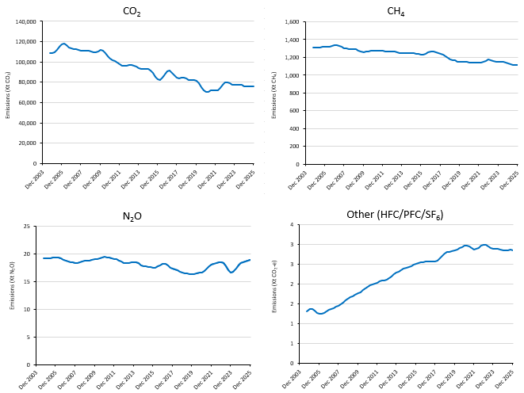
Units: | Million tonnes of carbon dioxide equivalent
 | Carbon dioxide equivalent (CO2-e) |  |  |  | Raw gas (CO2, CH4 and N2O)
Quarter | CO2 emissions (trend) | CH4 emissions (trend) | N2O emissions (trend) | Other emissions (trend) | Raw CO2 emissions (trend) | Raw CH4 emissions (trend) | Raw N2O emissions (trend)
2004-09-01 | 106.73 | 36.66 | 5.08 | 1.31 | 108.80 | 1.31 | 0.02
2004-12-01 | 108.54 | 36.63 | 5.08 | 1.36 | 108.78 | 1.31 | 0.02
2005-03-01 | 110.46 | 36.70 | 5.09 | 1.37 | 109.72 | 1.31 | 0.02
2005-06-01 | 113.02 | 36.80 | 5.10 | 1.33 | 112.00 | 1.31 | 0.02
2005-09-01 | 115.83 | 36.90 | 5.12 | 1.27 | 114.94 | 1.32 | 0.02
2005-12-01 | 117.80 | 36.96 | 5.13 | 1.23 | 117.21 | 1.32 | 0.02
2006-03-01 | 118.02 | 36.99 | 5.11 | 1.24 | 117.70 | 1.32 | 0.02
2006-06-01 | 116.68 | 37.06 | 5.07 | 1.27 | 116.44 | 1.32 | 0.02
2006-09-01 | 114.88 | 37.21 | 5.02 | 1.31 | 114.57 | 1.33 | 0.02
2006-12-01 | 113.49 | 37.39 | 4.97 | 1.34 | 113.17 | 1.34 | 0.02
2007-03-01 | 112.76 | 37.44 | 4.94 | 1.37 | 112.54 | 1.34 | 0.02
2007-06-01 | 112.31 | 37.25 | 4.91 | 1.39 | 112.31 | 1.33 | 0.02
2007-09-01 | 111.85 | 36.91 | 4.87 | 1.42 | 111.95 | 1.32 | 0.02
2007-12-01 | 111.30 | 36.55 | 4.85 | 1.45 | 111.36 | 1.31 | 0.02
2008-03-01 | 111.10 | 36.33 | 4.86 | 1.49 | 111.05 | 1.30 | 0.02
2008-06-01 | 111.24 | 36.29 | 4.89 | 1.53 | 111.19 | 1.30 | 0.02
2008-09-01 | 111.20 | 36.30 | 4.93 | 1.58 | 111.25 | 1.30 | 0.02
2008-12-01 | 110.60 | 36.29 | 4.95 | 1.62 | 110.65 | 1.30 | 0.02
2009-03-01 | 109.88 | 36.13 | 4.96 | 1.66 | 109.85 | 1.29 | 0.02
2009-06-01 | 109.82 | 35.80 | 4.98 | 1.69 | 109.74 | 1.28 | 0.02
2009-09-01 | 110.57 | 35.45 | 5.01 | 1.73 | 110.57 | 1.27 | 0.02
2009-12-01 | 111.47 | 35.27 | 5.03 | 1.76 | 111.46 | 1.26 | 0.02
2010-03-01 | 111.09 | 35.34 | 5.05 | 1.79 | 111.08 | 1.26 | 0.02
2010-06-01 | 108.79 | 35.57 | 5.08 | 1.84 | 108.79 | 1.27 | 0.02
2010-09-01 | 105.51 | 35.71 | 5.12 | 1.88 | 105.55 | 1.28 | 0.02
2010-12-01 | 102.88 | 35.70 | 5.14 | 1.93 | 102.93 | 1.28 | 0.02
2011-03-01 | 101.66 | 35.62 | 5.13 | 1.96 | 101.66 | 1.27 | 0.02
2011-06-01 | 100.93 | 35.61 | 5.11 | 1.98 | 100.92 | 1.27 | 0.02
2011-09-01 | 99.43 | 35.70 | 5.08 | 2.00 | 99.46 | 1.28 | 0.02
2011-12-01 | 97.58 | 35.69 | 5.06 | 2.03 | 97.59 | 1.27 | 0.02
2012-03-01 | 96.12 | 35.55 | 5.03 | 2.06 | 96.12 | 1.27 | 0.02
2012-06-01 | 95.87 | 35.44 | 4.99 | 2.08 | 95.87 | 1.27 | 0.02
2012-09-01 | 96.49 | 35.47 | 4.92 | 2.09 | 96.50 | 1.27 | 0.02
2012-12-01 | 97.03 | 35.56 | 4.87 | 2.11 | 96.98 | 1.27 | 0.02
2013-03-01 | 96.81 | 35.54 | 4.85 | 2.14 | 96.75 | 1.27 | 0.02
2013-06-01 | 95.94 | 35.30 | 4.86 | 2.18 | 95.88 | 1.26 | 0.02
2013-09-01 | 95.14 | 35.01 | 4.89 | 2.23 | 95.08 | 1.25 | 0.02
2013-12-01 | 94.19 | 34.87 | 4.90 | 2.28 | 94.14 | 1.25 | 0.02
2014-03-01 | 93.22 | 34.92 | 4.88 | 2.31 | 93.22 | 1.25 | 0.02
2014-06-01 | 92.78 | 35.04 | 4.83 | 2.34 | 92.81 | 1.25 | 0.02
2014-09-01 | 92.76 | 35.01 | 4.77 | 2.37 | 92.76 | 1.25 | 0.02
2014-12-01 | 92.76 | 34.96 | 4.72 | 2.40 | 92.74 | 1.25 | 0.02
2015-03-01 | 91.66 | 34.91 | 4.69 | 2.43 | 91.67 | 1.25 | 0.02
2015-06-01 | 88.92 | 34.82 | 4.67 | 2.45 | 88.95 | 1.24 | 0.02
2015-09-01 | 85.59 | 34.67 | 4.65 | 2.47 | 85.59 | 1.24 | 0.02
2015-12-01 | 82.90 | 34.45 | 4.63 | 2.50 | 82.87 | 1.23 | 0.02
2016-03-01 | 82.28 | 34.43 | 4.64 | 2.52 | 82.28 | 1.23 | 0.02
2016-06-01 | 84.22 | 34.75 | 4.68 | 2.54 | 84.23 | 1.24 | 0.02
2016-09-01 | 87.50 | 35.21 | 4.75 | 2.55 | 87.50 | 1.26 | 0.02
2016-12-01 | 90.54 | 35.50 | 4.81 | 2.56 | 90.52 | 1.27 | 0.02
2017-03-01 | 91.31 | 35.40 | 4.80 | 2.57 | 91.27 | 1.26 | 0.02
2017-06-01 | 89.45 | 35.08 | 4.73 | 2.57 | 89.44 | 1.25 | 0.02
2017-09-01 | 86.52 | 34.84 | 4.64 | 2.56 | 86.54 | 1.24 | 0.02
2017-12-01 | 84.36 | 34.71 | 4.57 | 2.56 | 84.36 | 1.24 | 0.02
2018-03-01 | 83.81 | 34.47 | 4.54 | 2.59 | 83.80 | 1.23 | 0.02
2018-06-01 | 84.16 | 34.02 | 4.50 | 2.65 | 84.17 | 1.22 | 0.02
2018-09-01 | 84.19 | 33.47 | 4.45 | 2.71 | 84.21 | 1.20 | 0.02
2018-12-01 | 83.53 | 33.04 | 4.40 | 2.76 | 83.52 | 1.18 | 0.02
2019-03-01 | 82.50 | 32.79 | 4.37 | 2.80 | 82.48 | 1.17 | 0.02
2019-06-01 | 82.00 | 32.57 | 4.36 | 2.81 | 82.01 | 1.16 | 0.02
2019-09-01 | 82.22 | 32.30 | 4.34 | 2.82 | 82.24 | 1.15 | 0.02
2019-12-01 | 81.69 | 32.14 | 4.32 | 2.84 | 81.69 | 1.15 | 0.02
2020-03-01 | 79.32 | 32.12 | 4.33 | 2.86 | 79.32 | 1.15 | 0.02
2020-06-01 | 75.50 | 32.13 | 4.35 | 2.89 | 75.49 | 1.15 | 0.02
2020-09-01 | 72.00 | 32.09 | 4.38 | 2.93 | 71.97 | 1.15 | 0.02
2020-12-01 | 70.35 | 32.03 | 4.41 | 2.96 | 70.34 | 1.14 | 0.02
2021-03-01 | 70.69 | 32.02 | 4.47 | 2.97 | 70.68 | 1.14 | 0.02
2021-06-01 | 71.70 | 32.04 | 4.57 | 2.94 | 71.68 | 1.14 | 0.02
2021-09-01 | 72.08 | 32.06 | 4.70 | 2.90 | 72.04 | 1.14 | 0.02
2021-12-01 | 71.83 | 31.94 | 4.79 | 2.87 | 71.82 | 1.14 | 0.02
2022-03-01 | 72.21 | 31.92 | 4.83 | 2.87 | 72.24 | 1.14 | 0.02
2022-06-01 | 74.24 | 32.17 | 4.84 | 2.91 | 74.30 | 1.15 | 0.02
2022-09-01 | 77.22 | 32.56 | 4.87 | 2.96 | 77.28 | 1.16 | 0.02
2022-12-01 | 79.62 | 32.84 | 4.90 | 2.99 | 79.67 | 1.17 | 0.02
2023-03-01 | 80.19 | 32.78 | 4.86 | 2.99 | 80.19 | 1.17 | 0.02
2023-06-01 | 79.01 | 32.44 | 4.71 | 2.95 | 79.02 | 1.16 | 0.02
2023-09-01 | 77.53 | 32.22 | 4.52 | 2.91 | 77.62 | 1.15 | 0.02
2023-12-01 | 77.02 | 32.18 | 4.40 | 2.89 | 77.15 | 1.15 | 0.02
2024-03-01 | 77.45 | 32.26 | 4.43 | 2.88 | 77.43 | 1.15 | 0.02
2024-06-01 | 77.75 | 32.28 | 4.58 | 2.87 | 77.61 | 1.15 | 0.02
2024-09-01 | 77.15 | 32.01 | 4.74 | 2.86 | 77.12 | 1.14 | 0.02
2024-12-01 | 76.18 | 31.63 | 4.85 | 2.85 | 76.30 | 1.13 | 0.02
2025-03-01 | 75.78 | 31.34 | 4.91 | 2.85 | 75.86 | 1.12 | 0.02
2025-06-01 | 75.84 | 31.20 | 4.94 | 2.85 | 75.78 | 1.11 | 0.02
2025-09-01 | 75.77 | 31.16 | 4.99 | 2.85 | 75.76 | 1.11 | 0.02
2025-12-01 | 75.30 | 31.11 | 5.02 | 2.85 | 75.57 | 1.11 | 0.02

Note: Raw gas numbers may not convert directly to CO2-e numbers as data is trended.
Source: Department of Climate Change, Energy, the Environment and Water

Figure 3
Quarterly Update of Australia's National Greenhouse Gas Inventory | Figures and Tables for the December Quarter 2025
Click here to return to contents page

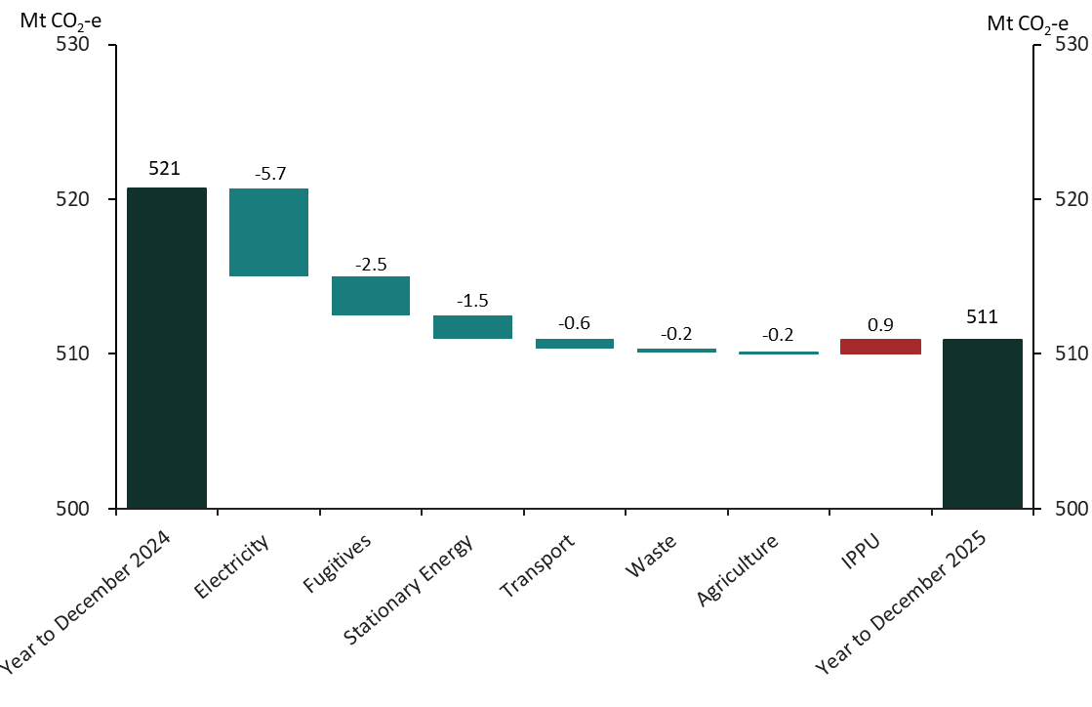
Figure 3: Change in emissions from year to December 2024 to year to December 2025 by sector, Mt CO2-e.
Units: | Mt CO2-e
 | Change | ABS Change | Inventory total | Sub total
Year to September 2024 |  |  | 521 | 521
Electricity | -5.7 | 6 | 515 | 515
Fugitives | -2.5 | 3 | 512 | 512
Stationary Energy | -1.5 | 2 | 511 | 511
Transport | -0.6 | 1 | 510 | 510
Waste | -0.2 | 0 | 510 | 510
Agriculture | -0.1 | 0 | 510 | 510
IPPU | 0.9 | 1 | 510 | 511
Year to September 2025 |  |  | 511

Source: Department of Climate Change, Energy, the Environment and Water

Figure 4
Quarterly Update of Australia's National Greenhouse Gas Inventory | Figures and Tables for the December Quarter 2025
Click here to return to contents page

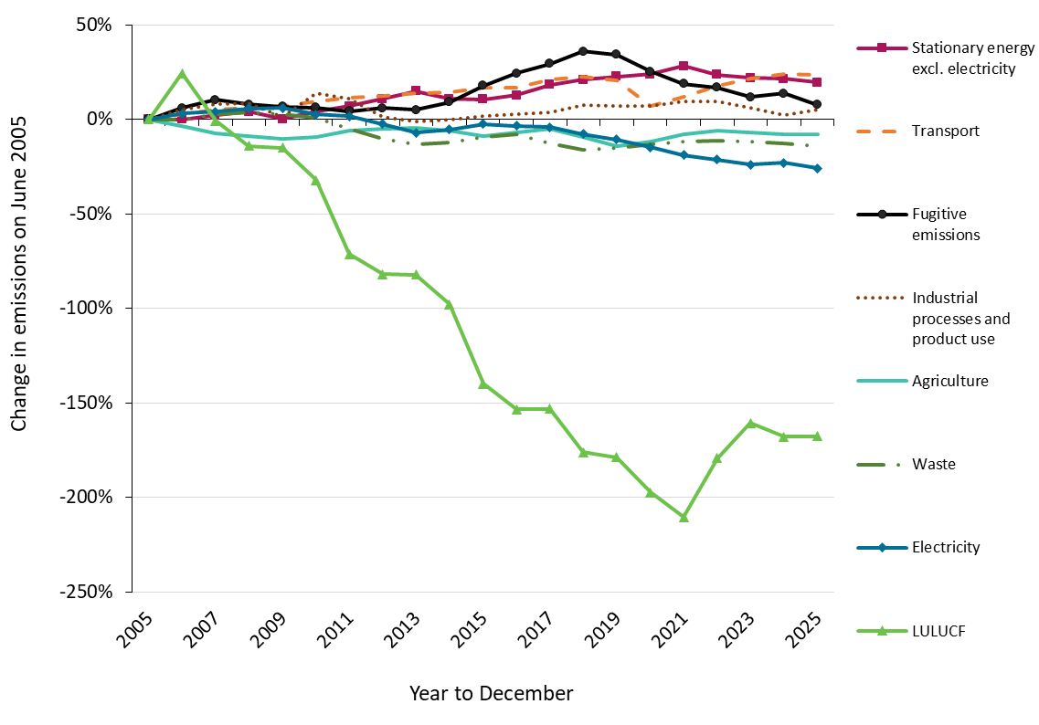
Figure 4: Percentage change in emissions, by sector, since year to June 2005
Units: | % change
Year | Electricity | Stationary energy excl. electricity | Transport | Fugitive emissions | Industrial processes and product use | Agriculture | Waste | LULUCF
2005 | 0.0% | 0.0% | 0.0% | 0.0% | 0.0% | 0.0% | 0.0% | 0.0%
2006 | 3.1% | -0.1% | 2.7% | 5.9% | 5.0% | -3.6% | -0.3% | 24.2%
2007 | 4.0% | 2.0% | 4.9% | 10.3% | 8.2% | -7.4% | 2.5% | -0.9%
2008 | 5.8% | 4.0% | 6.1% | 8.0% | 8.7% | -8.8% | 3.8% | -14.1%
2009 | 5.9% | 0.1% | 7.2% | 6.7% | 1.2% | -10.4% | 2.7% | -15.0%
2010 | 2.6% | 4.0% | 9.6% | 6.1% | 14.0% | -9.2% | 0.8% | -32.3%
2011 | 1.7% | 7.0% | 11.6% | 4.2% | 11.0% | -6.0% | -5.0% | -71.3%
2012 | -2.4% | 10.7% | 12.5% | 6.0% | 1.3% | -4.8% | -10.4% | -82.0%
2013 | -7.1% | 14.8% | 13.9% | 5.0% | -1.1% | -4.6% | -13.1% | -82.3%
2014 | -5.3% | 10.7% | 14.5% | 9.1% | -0.3% | -6.2% | -12.4% | -98.0%
2015 | -2.4% | 10.5% | 16.7% | 17.9% | 1.7% | -8.9% | -9.3% | -140.0%
2016 | -3.4% | 12.8% | 16.8% | 24.4% | 2.9% | -6.9% | -8.1% | -153.4%
2017 | -4.1% | 18.3% | 21.2% | 29.5% | 3.6% | -5.0% | -12.7% | -153.3%
2018 | -7.8% | 21.0% | 22.3% | 36.0% | 7.4% | -9.2% | -16.1% | -176.1%
2019 | -10.6% | 22.6% | 20.5% | 34.2% | 6.9% | -14.1% | -15.1% | -178.9%
2020 | -14.9% | 23.8% | 7.0% | 25.4% | 7.2% | -11.8% | -13.4% | -197.3%
2021 | -19.0% | 28.2% | 11.9% | 18.7% | 9.5% | -8.1% | -11.7% | -210.5%
2022 | -21.4% | 23.5% | 17.7% | 16.8% | 9.5% | -6.1% | -11.4% | -179.3%
2023 | -24.0% | 21.8% | 21.4% | 11.8% | 6.3% | -6.8% | -11.9% | -160.6%
2024 | -22.9% | 21.3% | 24.0% | 13.6% | 2.1% | -7.8% | -12.9% | -167.9%
2025 | -25.8% | 19.4% | 23.3% | 7.7% | 5.1% | -7.8% | -14.4% | -167.7%

Source: Department of Climate Change, Energy, the Environment and Water

Figure 4a
Quarterly Update of Australia's National Greenhouse Gas Inventory | Figures and Tables for the December Quarter 2025
Click here to return to contents page

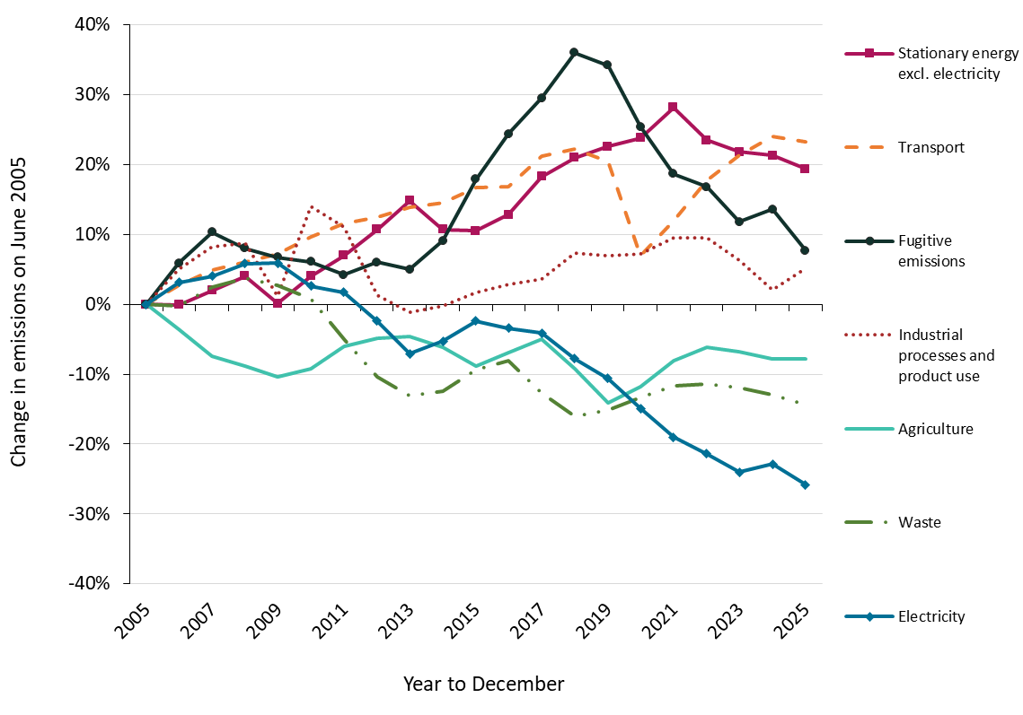
Figure 4a: Percentage change in emissions, by sector, since year to December 2025 (excluding LULUCF)
Units: | % change
Year | Electricity | Stationary energy excl. electricity | Transport | Fugitive emissions | Industrial processes and product use | Agriculture | Waste
2005 | 0.0% | 0.0% | 0.0% | 0.0% | 0.0% | 0.0% | 0.0%
2006 | 3.1% | -0.1% | 2.7% | 5.9% | 5.0% | -3.6% | -0.3%
2007 | 4.0% | 2.0% | 4.9% | 10.3% | 8.2% | -7.4% | 2.5%
2008 | 5.8% | 4.0% | 6.1% | 8.0% | 8.7% | -8.8% | 3.8%
2009 | 5.9% | 0.1% | 7.2% | 6.7% | 1.2% | -10.4% | 2.7%
2010 | 2.6% | 4.0% | 9.6% | 6.1% | 14.0% | -9.2% | 0.8%
2011 | 1.7% | 7.0% | 11.6% | 4.2% | 11.0% | -6.0% | -5.0%
2012 | -2.4% | 10.7% | 12.5% | 6.0% | 1.3% | -4.8% | -10.4%
2013 | -7.1% | 14.8% | 13.9% | 5.0% | -1.1% | -4.6% | -13.1%
2014 | -5.3% | 10.7% | 14.5% | 9.1% | -0.3% | -6.2% | -12.4%
2015 | -2.4% | 10.5% | 16.7% | 17.9% | 1.7% | -8.9% | -9.3%
2016 | -3.4% | 12.8% | 16.8% | 24.4% | 2.9% | -6.9% | -8.1%
2017 | -4.1% | 18.3% | 21.2% | 29.5% | 3.6% | -5.0% | -12.7%
2018 | -7.8% | 21.0% | 22.3% | 36.0% | 7.4% | -9.2% | -16.1%
2019 | -10.6% | 22.6% | 20.5% | 34.2% | 6.9% | -14.1% | -15.1%
2020 | -14.9% | 23.8% | 7.0% | 25.4% | 7.2% | -11.8% | -13.4%
2021 | -19.0% | 28.2% | 11.9% | 18.7% | 9.5% | -8.1% | -11.7%
2022 | -21.4% | 23.5% | 17.7% | 16.8% | 9.5% | -6.1% | -11.4%
2023 | -24.0% | 21.8% | 21.4% | 11.8% | 6.3% | -6.8% | -11.9%
2024 | -22.9% | 21.3% | 24.0% | 13.6% | 2.1% | -7.8% | -12.9%
2025 | -25.8% | 19.4% | 23.3% | 7.7% | 5.1% | -7.8% | -14.4%

Source: Department of Climate Change, Energy, the Environment and Water

Figure 5
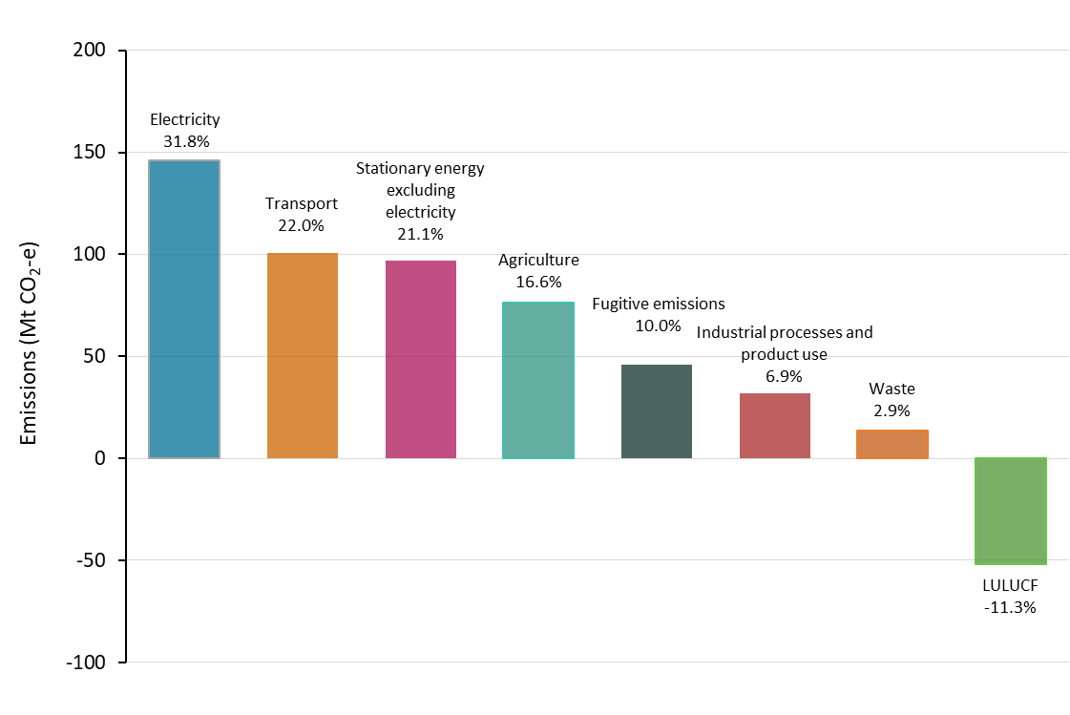
Quarterly Update of Australia's National Greenhouse Gas Inventory | Figures and Tables for the December Quarter 2025
Click here to return to contents page

Figure 5: Share of total emissions, by sector, for the year to December 2025
Unit | Electricity | Transport | Stationary energy excluding electricity | Agriculture | Fugitive emissions | Industrial processes and product use | Waste | LULUCF
% | 31.8% | 22.0% | 21.1% | 16.6% | 10.0% | 6.9% | 2.9% | -11.3%
Mt CO2-e | 145.8 | 100.8 | 97.0 | 76.2 | 45.9 | 31.7 | 13.5 | -52.0

Source: Department of Climate Change, Energy, the Environment and Water

Figure 6
Quarterly Update of Australia's National Greenhouse Gas Inventory | Figures and Tables for the December Quarter 2025
Click here to return to contents page

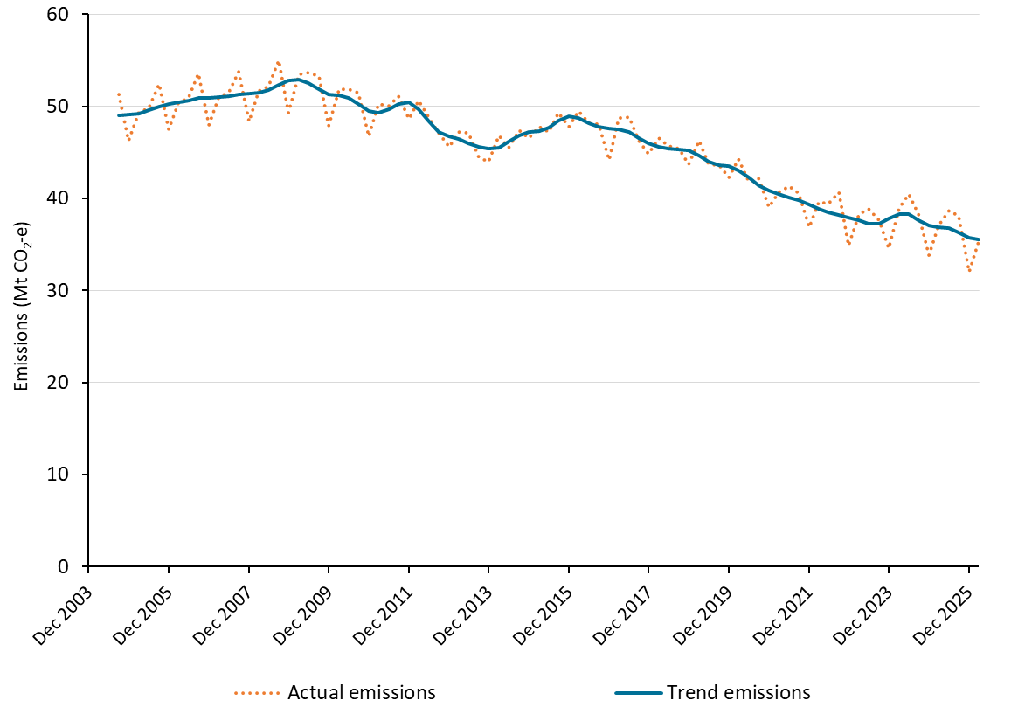
Figure 6: Emissions from the electricity sector, by quarter, September 2004 to December 2025
Units: | Million tonnes of carbon dioxide equivalent | Million tonnes of carbon dioxide equivalent
Quarter | Actual emissions | Trend Emissions
2004-09-01 | 51.2 | 49.0
2004-12-01 | 46.3 | 49.1
2005-03-01 | 49.4 | 49.2
2005-06-01 | 49.8 | 49.6
2005-09-01 | 52.4 | 50.0
2005-12-01 | 47.5 | 50.2
2006-03-01 | 50.3 | 50.4
2006-06-01 | 51.0 | 50.6
2006-09-01 | 53.5 | 50.9
2006-12-01 | 48.0 | 50.9
2007-03-01 | 50.9 | 51.0
2007-06-01 | 51.6 | 51.1
2007-09-01 | 53.7 | 51.3
2007-12-01 | 48.3 | 51.3
2008-03-01 | 51.7 | 51.5
2008-06-01 | 52.1 | 51.8
2008-09-01 | 55.0 | 52.3
2008-12-01 | 49.3 | 52.8
2009-03-01 | 53.5 | 52.9
2009-06-01 | 53.6 | 52.5
2009-09-01 | 53.2 | 51.9
2009-12-01 | 47.9 | 51.3
2010-03-01 | 51.9 | 51.1
2010-06-01 | 51.9 | 50.9
2010-09-01 | 51.4 | 50.2
2010-12-01 | 46.7 | 49.5
2011-03-01 | 50.2 | 49.3
2011-06-01 | 50.0 | 49.7
2011-09-01 | 51.1 | 50.3
2011-12-01 | 48.6 | 50.4
2012-03-01 | 50.6 | 49.6
2012-06-01 | 48.7 | 48.3
2012-09-01 | 47.1 | 47.2
2012-12-01 | 45.6 | 46.7
2013-03-01 | 47.2 | 46.4
2013-06-01 | 47.1 | 46.0
2013-09-01 | 44.5 | 45.6
2013-12-01 | 44.0 | 45.4
2014-03-01 | 46.8 | 45.5
2014-06-01 | 45.5 | 46.2
2014-09-01 | 47.4 | 46.8
2014-12-01 | 46.6 | 47.2
2015-03-01 | 47.7 | 47.3
2015-06-01 | 47.2 | 47.7
2015-09-01 | 49.3 | 48.4
2015-12-01 | 47.8 | 48.9
2016-03-01 | 49.5 | 48.7
2016-06-01 | 48.2 | 48.2
2016-09-01 | 48.0 | 47.7
2016-12-01 | 44.2 | 47.6
2017-03-01 | 48.7 | 47.5
2017-06-01 | 48.8 | 47.2
2017-09-01 | 46.3 | 46.6
2017-12-01 | 44.8 | 46.0
2018-03-01 | 46.5 | 45.6
2018-06-01 | 45.7 | 45.4
2018-09-01 | 45.4 | 45.3
2018-12-01 | 43.7 | 45.2
2019-03-01 | 46.3 | 44.6
2019-06-01 | 43.7 | 44.0
2019-09-01 | 43.6 | 43.6
2019-12-01 | 42.2 | 43.5
2020-03-01 | 44.3 | 43.1
2020-06-01 | 41.8 | 42.3
2020-09-01 | 42.2 | 41.4
2020-12-01 | 39.1 | 40.8
2021-03-01 | 40.6 | 40.4
2021-06-01 | 41.3 | 40.1
2021-09-01 | 40.6 | 39.8
2021-12-01 | 36.9 | 39.4
2022-03-01 | 39.6 | 38.9
2022-06-01 | 39.4 | 38.5
2022-09-01 | 40.6 | 38.2
2022-12-01 | 34.9 | 37.9
2023-03-01 | 38.3 | 37.6
2023-06-01 | 38.8 | 37.2
2023-09-01 | 37.6 | 37.3
2023-12-01 | 34.6 | 37.8
2024-03-01 | 39.0 | 38.3
2024-06-01 | 40.5 | 38.3
2024-09-01 | 38.3 | 37.7
2024-12-01 | 33.8 | 37.0
2025-03-01 | 37.1 | 36.9
2025-06-01 | 38.6 | 36.8
2025-09-01 | 38.1 | 36.3
2025-12-01 | 32.0 | 35.8
2026-03-01 | 35.4 | 35.5

Source: Department of Climate Change, Energy, the Environment and Water

Figure 7
Quarterly Update of Australia's National Greenhouse Gas Inventory | Figures and Tables for the December Quarter 2025
Click here to return to contents page

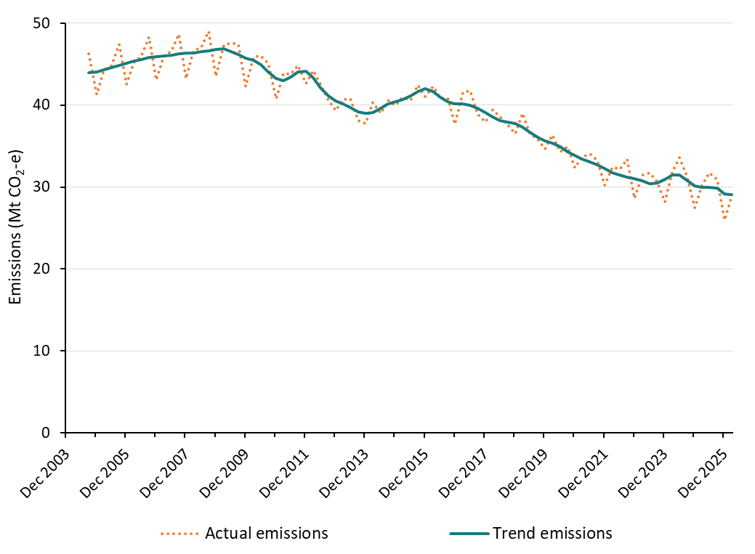
Figure7: NEM emissions, by quarter, September 2004 to December 2025 (including preliminary March 2026)
Units: | Million tonnes of carbon dioxide equivalent | Million tonnes of carbon dioxide equivalent
Quarter | Actual emissions | Trend emissions
2004-09-01 | 46.3 | 44.0
2004-12-01 | 41.3 | 44.1
2005-03-01 | 44.3 | 44.3
2005-06-01 | 44.8 | 44.6
2005-09-01 | 47.4 | 44.8
2005-12-01 | 42.5 | 45.1
2006-03-01 | 45.2 | 45.4
2006-06-01 | 45.9 | 45.6
2006-09-01 | 48.3 | 45.8
2006-12-01 | 43.1 | 45.9
2007-03-01 | 46.0 | 46.0
2007-06-01 | 46.7 | 46.1
2007-09-01 | 48.6 | 46.3
2007-12-01 | 43.3 | 46.4
2008-03-01 | 46.6 | 46.4
2008-06-01 | 47.1 | 46.5
2008-09-01 | 49.1 | 46.6
2008-12-01 | 43.5 | 46.8
2009-03-01 | 47.3 | 46.8
2009-06-01 | 47.6 | 46.6
2009-09-01 | 47.4 | 46.2
2009-12-01 | 42.3 | 45.8
2010-03-01 | 45.9 | 45.4
2010-06-01 | 46.0 | 44.9
2010-09-01 | 45.1 | 44.1
2010-12-01 | 40.7 | 43.3
2011-03-01 | 43.8 | 43.0
2011-06-01 | 43.8 | 43.5
2011-09-01 | 44.8 | 44.1
2011-12-01 | 42.6 | 44.2
2012-03-01 | 44.2 | 43.4
2012-06-01 | 42.5 | 42.1
2012-09-01 | 40.6 | 41.1
2012-12-01 | 39.4 | 40.5
2013-03-01 | 40.7 | 40.2
2013-06-01 | 40.7 | 39.7
2013-09-01 | 38.1 | 39.2
2013-12-01 | 37.7 | 39.0
2014-03-01 | 40.3 | 39.1
2014-06-01 | 39.0 | 39.6
2014-09-01 | 40.6 | 40.2
2014-12-01 | 40.0 | 40.4
2015-03-01 | 41.0 | 40.7
2015-06-01 | 40.6 | 41.1
2015-09-01 | 42.5 | 41.7
2015-12-01 | 41.0 | 42.0
2016-03-01 | 42.3 | 41.6
2016-06-01 | 40.9 | 41.0
2016-09-01 | 40.9 | 40.4
2016-12-01 | 37.7 | 40.2
2017-03-01 | 41.5 | 40.1
2017-06-01 | 41.7 | 40.0
2017-09-01 | 38.9 | 39.6
2017-12-01 | 37.9 | 39.1
2018-03-01 | 39.4 | 38.6
2018-06-01 | 38.5 | 38.1
2018-09-01 | 37.7 | 37.9
2018-12-01 | 36.5 | 37.8
2019-03-01 | 39.0 | 37.4
2019-06-01 | 36.5 | 36.7
2019-09-01 | 35.9 | 36.1
2019-12-01 | 34.7 | 35.7
2020-03-01 | 36.4 | 35.3
2020-06-01 | 34.3 | 34.9
2020-09-01 | 35.0 | 34.3
2020-12-01 | 32.4 | 33.9
2021-03-01 | 33.7 | 33.4
2021-06-01 | 34.0 | 33.1
2021-09-01 | 33.3 | 32.7
2021-12-01 | 30.3 | 32.2
2022-03-01 | 32.4 | 31.8
2022-06-01 | 32.2 | 31.5
2022-09-01 | 33.4 | 31.2
2022-12-01 | 28.6 | 31.1
2023-03-01 | 31.5 | 30.8
2023-06-01 | 31.7 | 30.4
2023-09-01 | 30.7 | 30.5
2023-12-01 | 28.2 | 31.0
2024-03-01 | 31.9 | 31.5
2024-06-01 | 33.6 | 31.5
2024-09-01 | 31.4 | 30.8
2024-12-01 | 27.4 | 30.2
2025-03-01 | 30.2 | 29.9
2025-06-01 | 31.8 | 30.0
2025-09-01 | 30.9 | 29.9
2025-12-01 | 26.0 | 29.2
 | 28.9 | 29.0
Source: Department of Climate Change, Energy, the Environment and Water

Figure 8
Quarterly Update of Australia's National Greenhouse Gas Inventory | Figures and Tables for the December Quarter 2025
Click here to return to contents page

Figure 8: Change in electricity generation in the NEM (trend), by fuel, by quarter, September 2010 to December 2025 (including preliminary March 2026)
Units: TWh | Terawatt hours | Terawatt hours | Terawatt hours | Terawatt hours | Terawatt hours
Year to | Coal | Gas | Wind | Hydro | Large-scale Solar | Small Solar
2009-12-31 | 0.0 | 0.0 | 0.0 | 0.0 | 0.0 | 0.0
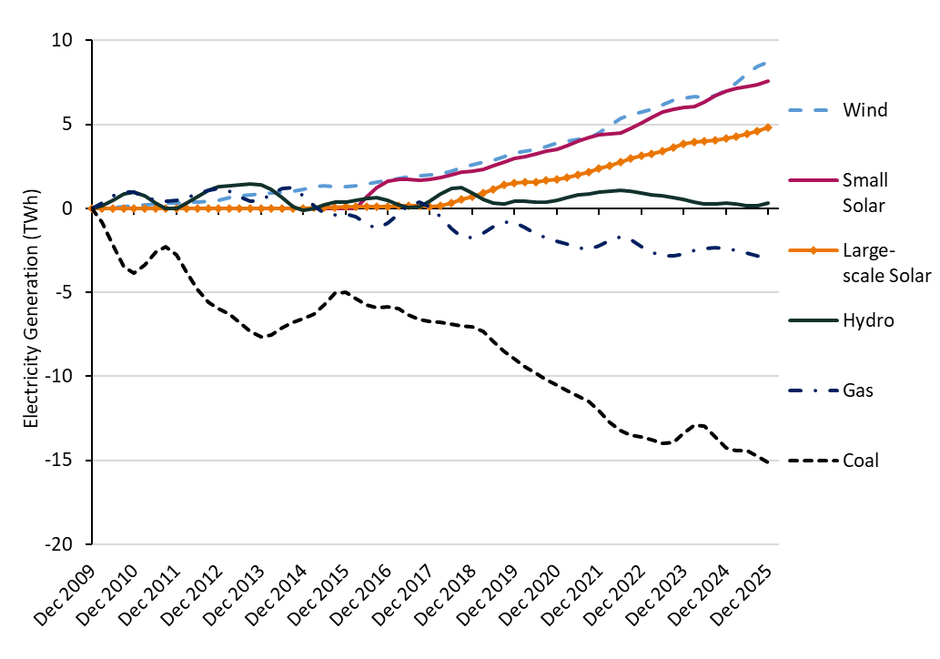
2010-03-31 | -0.8 | 0.3 | 0.0 | 0.2 | 0.0 | 0.0
2010-06-30 | -2.2 | 0.7 | 0.1 | 0.5 | 0.0 | 0.0
2010-09-30 | -3.5 | 1.0 | 0.1 | 0.8 | 0.0 | 0.0
2010-12-31 | -3.9 | 1.0 | 0.2 | 1.0 | 0.0 | 0.0
2011-03-31 | -3.4 | 0.7 | 0.2 | 0.7 | 0.0 | 0.0
2011-06-30 | -2.6 | 0.5 | 0.3 | 0.3 | 0.0 | 0.0
2011-09-30 | -2.3 | 0.4 | 0.3 | 0.0 | 0.0 | 0.0
2011-12-31 | -2.8 | 0.5 | 0.3 | 0.0 | 0.0 | 0.0
2012-03-31 | -3.8 | 0.7 | 0.4 | 0.3 | 0.0 | 0.0
2012-06-30 | -4.8 | 0.9 | 0.4 | 0.7 | 0.0 | 0.0
2012-09-30 | -5.6 | 1.1 | 0.4 | 1.1 | 0.0 | 0.0
2012-12-31 | -6.0 | 1.2 | 0.5 | 1.3 | 0.0 | 0.0
2013-03-31 | -6.3 | 1.0 | 0.6 | 1.3 | 0.0 | 0.0
2013-06-30 | -6.8 | 0.7 | 0.7 | 1.4 | 0.0 | 0.0
2013-09-30 | -7.3 | 0.4 | 0.8 | 1.5 | 0.0 | 0.0
2013-12-31 | -7.6 | 0.5 | 0.9 | 1.4 | 0.0 | 0.0
2014-03-31 | -7.6 | 0.8 | 0.9 | 1.1 | 0.0 | 0.0
2014-06-30 | -7.1 | 1.2 | 0.9 | 0.6 | 0.0 | 0.0
2014-09-30 | -6.8 | 1.2 | 1.0 | 0.1 | 0.0 | 0.0
2014-12-31 | -6.6 | 0.8 | 1.2 | -0.1 | 0.0 | 0.0
2015-03-31 | -6.3 | 0.1 | 1.3 | 0.0 | 0.0 | 0.0
2015-06-30 | -5.7 | -0.3 | 1.3 | 0.2 | 0.0 | 0.0
2015-09-30 | -5.1 | -0.4 | 1.3 | 0.3 | 0.1 | 0.0
2015-12-31 | -5.0 | -0.3 | 1.3 | 0.4 | 0.1 | 0.0
2016-03-31 | -5.4 | -0.5 | 1.3 | 0.5 | 0.1 | 0.0
2016-06-30 | -5.8 | -0.9 | 1.5 | 0.6 | 0.1 | 0.7
2016-09-30 | -5.9 | -1.2 | 1.6 | 0.6 | 0.1 | 1.2
2016-12-31 | -5.9 | -0.9 | 1.7 | 0.5 | 0.1 | 1.6
2017-03-31 | -6.0 | -0.3 | 1.8 | 0.2 | 0.1 | 1.7
2017-06-30 | -6.4 | 0.2 | 1.9 | 0.0 | 0.2 | 1.7
2017-09-30 | -6.6 | 0.4 | 2.0 | 0.1 | 0.1 | 1.7
2017-12-31 | -6.7 | 0.1 | 2.0 | 0.4 | 0.1 | 1.7
2018-03-31 | -6.8 | -0.5 | 2.1 | 0.8 | 0.2 | 1.8
2018-06-30 | -6.9 | -1.2 | 2.2 | 1.2 | 0.3 | 2.0
2018-09-30 | -7.0 | -1.7 | 2.4 | 1.2 | 0.5 | 2.1
2018-12-31 | -7.1 | -1.7 | 2.6 | 0.9 | 0.7 | 2.2
2019-03-31 | -7.3 | -1.5 | 2.7 | 0.5 | 0.9 | 2.3
2019-06-30 | -7.9 | -1.1 | 2.9 | 0.3 | 1.1 | 2.5
2019-09-30 | -8.5 | -0.8 | 3.1 | 0.3 | 1.4 | 2.8
2019-12-31 | -9.0 | -0.8 | 3.3 | 0.4 | 1.5 | 2.9
2020-03-31 | -9.4 | -1.2 | 3.4 | 0.4 | 1.5 | 3.1
2020-06-30 | -9.8 | -1.5 | 3.5 | 0.4 | 1.6 | 3.2
2020-09-30 | -10.2 | -1.8 | 3.7 | 0.4 | 1.7 | 3.4
2020-12-31 | -10.5 | -2.0 | 3.9 | 0.5 | 1.7 | 3.5
2021-03-31 | -10.9 | -2.1 | 4.0 | 0.7 | 1.9 | 3.7
2021-06-30 | -11.2 | -2.4 | 4.1 | 0.8 | 2.0 | 4.0
2021-09-30 | -11.5 | -2.4 | 4.2 | 0.9 | 2.2 | 4.2
2021-12-31 | -12.1 | -2.3 | 4.5 | 0.9 | 2.3 | 4.4
2022-03-31 | -12.7 | -1.9 | 4.9 | 1.0 | 2.6 | 4.4
2022-06-30 | -13.2 | -1.7 | 5.3 | 1.1 | 2.8 | 4.5
2022-09-30 | -13.5 | -1.9 | 5.6 | 1.0 | 3.0 | 4.7
2022-12-31 | -13.6 | -2.3 | 5.7 | 0.9 | 3.1 | 5.1
2023-03-31 | -13.8 | -2.6 | 5.9 | 0.8 | 3.3 | 5.4
2023-06-30 | -14.0 | -2.8 | 6.2 | 0.7 | 3.4 | 5.7
2023-09-30 | -13.9 | -2.8 | 6.4 | 0.7 | 3.6 | 5.9
2023-12-31 | -13.4 | -2.7 | 6.6 | 0.5 | 3.8 | 6.0
2024-03-31 | -12.9 | -2.5 | 6.6 | 0.4 | 3.9 | 6.1
2024-06-30 | -13.0 | -2.4 | 6.6 | 0.3 | 4.0 | 6.3
2024-09-30 | -13.6 | -2.3 | 6.7 | 0.3 | 4.0 | 6.7
2024-12-31 | -14.2 | -2.4 | 7.0 | 0.3 | 4.2 | 7.0
2025-03-31 | -14.4 | -2.5 | 7.5 | 0.3 | 4.3 | 7.1
2025-06-30 | -14.4 | -2.7 | 8.0 | 0.2 | 4.4 | 7.2
2025-09-30 | -14.7 | -2.9 | 8.5 | 0.2 | 4.6 | 7.4
2025-12-01 | -15.1 | -3.0 | 8.7 | 0.3 | 4.8 | 7.6
2026-03-31 | -15.3 | -3.0 | 8.9 | 0.5 | 4.9 | 7.7

Note: AEMO data on small solar is available from 2016 onwards.
Source: Australian Energy Market Operator (AEMO, 2025), obtained using NEM-Review software

Figure 9
Quarterly Update of Australia's National Greenhouse Gas Inventory | Figures and Tables for the December Quarter 2025
Click here to return to contents page

Figure 9: Stationary energy excluding electricity emissions and energy industries excluding electricity, by quarter, September 2004 to December 2025
Units: | Million tonnes of carbon dioxide equivalent | Million tonnes of carbon dioxide equivalent
Quarter | Stationary energy excluding electricity - Actual | Stationary energy excluding electricity - Trend
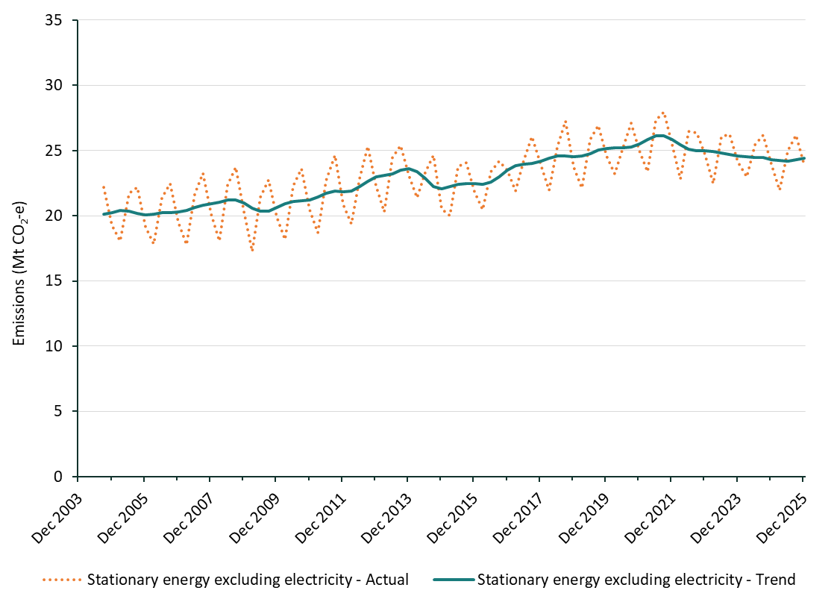
2004-09-01 | 22.2 | 20.1
2004-12-01 | 19.3 | 20.3
2005-03-01 | 18.1 | 20.4
2005-06-01 | 21.7 | 20.4
2005-09-01 | 22.2 | 20.2
2005-12-01 | 19.1 | 20.1
2006-03-01 | 17.8 | 20.1
2006-06-01 | 21.4 | 20.2
2006-09-01 | 22.5 | 20.3
2006-12-01 | 19.5 | 20.3
2007-03-01 | 17.8 | 20.4
2007-06-01 | 21.7 | 20.6
2007-09-01 | 23.3 | 20.8
2007-12-01 | 20.1 | 20.9
2008-03-01 | 18.0 | 21.0
2008-06-01 | 22.4 | 21.2
2008-09-01 | 23.7 | 21.2
2008-12-01 | 20.3 | 21.0
2009-03-01 | 17.3 | 20.6
2009-06-01 | 21.4 | 20.3
2009-09-01 | 22.7 | 20.4
2009-12-01 | 19.9 | 20.6
2010-03-01 | 18.2 | 20.9
2010-06-01 | 22.3 | 21.1
2010-09-01 | 23.6 | 21.2
2010-12-01 | 20.5 | 21.2
2011-03-01 | 18.7 | 21.5
2011-06-01 | 22.7 | 21.7
2011-09-01 | 24.7 | 21.9
2011-12-01 | 20.8 | 21.8
2012-03-01 | 19.4 | 21.9
2012-06-01 | 22.9 | 22.2
2012-09-01 | 25.3 | 22.7
2012-12-01 | 22.3 | 23.0
2013-03-01 | 20.3 | 23.1
2013-06-01 | 24.5 | 23.2
2013-09-01 | 25.4 | 23.5
2013-12-01 | 23.1 | 23.6
2014-03-01 | 21.4 | 23.4
2014-06-01 | 23.4 | 22.9
2014-09-01 | 24.6 | 22.2
2014-12-01 | 20.5 | 22.1
2015-03-01 | 20.0 | 22.3
2015-06-01 | 23.8 | 22.4
2015-09-01 | 24.1 | 22.5
2015-12-01 | 21.8 | 22.5
2016-03-01 | 20.5 | 22.4
2016-06-01 | 23.4 | 22.6
2016-09-01 | 24.2 | 23.0
2016-12-01 | 23.5 | 23.5
2017-03-01 | 21.9 | 23.8
2017-06-01 | 24.2 | 23.9
2017-09-01 | 26.1 | 24.0
2017-12-01 | 23.9 | 24.2
2018-03-01 | 22.0 | 24.4
2018-06-01 | 25.3 | 24.6
2018-09-01 | 27.3 | 24.6
2018-12-01 | 23.8 | 24.6
2019-03-01 | 22.1 | 24.6
2019-06-01 | 25.8 | 24.8
2019-09-01 | 27.0 | 25.1
2019-12-01 | 24.6 | 25.2
2020-03-01 | 23.2 | 25.2
2020-06-01 | 25.2 | 25.2
2020-09-01 | 27.1 | 25.3
2020-12-01 | 25.0 | 25.5
2021-03-01 | 23.4 | 25.9
2021-06-01 | 27.3 | 26.2
2021-09-01 | 28.0 | 26.1
2021-12-01 | 25.5 | 25.9
2022-03-01 | 22.8 | 25.4
2022-06-01 | 26.5 | 25.1
2022-09-01 | 26.3 | 25.0
2022-12-01 | 24.7 | 25.0
2023-03-01 | 22.5 | 24.9
2023-06-01 | 26.1 | 24.8
2023-09-01 | 26.3 | 24.7
2023-12-01 | 24.1 | 24.6
2024-03-01 | 23.0 | 24.5
2024-06-01 | 25.4 | 24.5
2024-09-01 | 26.2 | 24.4
2024-12-01 | 23.9 | 24.3
2025-03-01 | 22.0 | 24.2
2025-06-01 | 25.0 | 24.2
2025-09-01 | 26.2 | 24.3
2025-12-01 | 23.9 | 24.4

Source: Department of Climate Change, Energy, the Environment and Water

Figure 10
Quarterly Update of Australia's National Greenhouse Gas Inventory | Figures and Tables for the December Quarter 2025
Click here to return to contents page

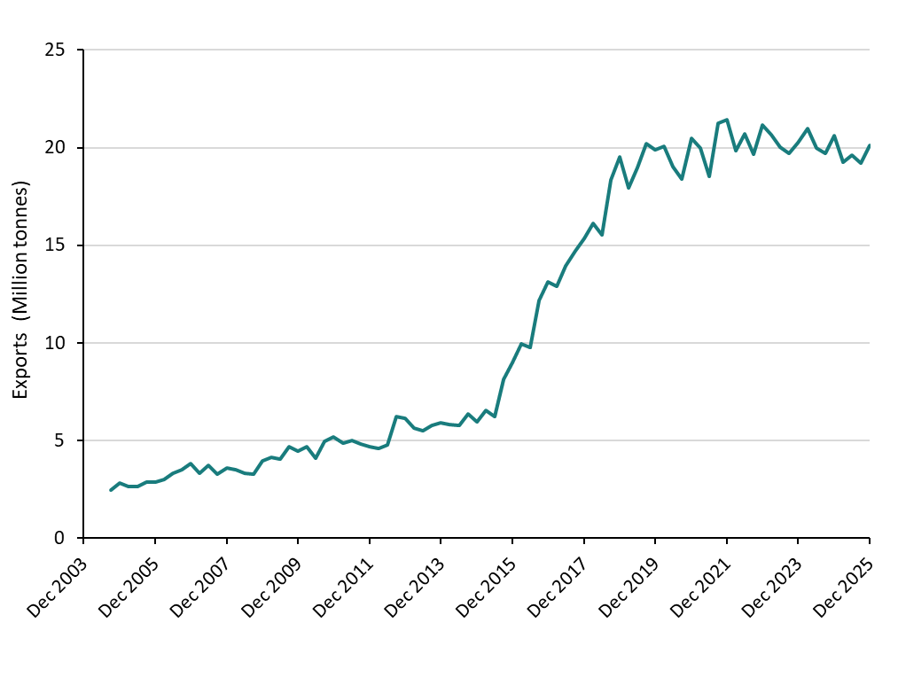
Figure 10: LNG exports, by quarter, September 2004 to December 2025
Units: | Millions tonnes
Year | LNG
2004-09-01 | 2.5
2004-12-01 | 2.8
2005-03-01 | 2.7
2005-06-01 | 2.7
2005-09-01 | 2.8
2005-12-01 | 2.9
2006-03-01 | 3.0
2006-06-01 | 3.3
2006-09-01 | 3.5
2006-12-01 | 3.8
2007-03-01 | 3.3
2007-06-01 | 3.7
2007-09-01 | 3.3
2007-12-01 | 3.6
2008-03-01 | 3.5
2008-06-01 | 3.3
2008-09-01 | 3.3
2008-12-01 | 4.0
2009-03-01 | 4.2
2009-06-01 | 4.0
2009-09-01 | 4.7
2009-12-01 | 4.4
2010-03-01 | 4.7
2010-06-01 | 4.1
2010-09-01 | 4.9
2010-12-01 | 5.2
2011-03-01 | 4.9
2011-06-01 | 5.0
2011-09-01 | 4.8
2011-12-01 | 4.7
2012-03-01 | 4.6
2012-06-01 | 4.8
2012-09-01 | 6.2
2012-12-01 | 6.1
2013-03-01 | 5.6
2013-06-01 | 5.5
2013-09-01 | 5.8
2013-12-01 | 5.9
2014-03-01 | 5.8
2014-06-01 | 5.8
2014-09-01 | 6.3
2014-12-01 | 5.9
2015-03-01 | 6.6
2015-06-01 | 6.2
2015-09-01 | 8.1
2015-12-01 | 9.0
2016-03-01 | 9.9
2016-06-01 | 9.8
2016-09-01 | 12.2
2016-12-01 | 13.1
2017-03-01 | 12.9
2017-06-01 | 13.9
2017-09-01 | 14.7
2017-12-01 | 15.4
2018-03-01 | 16.1
2018-06-01 | 15.5
2018-09-01 | 18.4
2018-12-01 | 19.5
2019-03-01 | 17.9
2019-06-01 | 19.0
2019-09-01 | 20.2
2019-12-01 | 19.9
2020-03-01 | 20.1
2020-06-01 | 19.0
2020-09-01 | 18.4
2020-12-01 | 20.5
2021-03-01 | 20.0
2021-06-01 | 18.5
2021-09-01 | 21.3
2021-12-01 | 21.4
2022-03-01 | 19.8
2022-06-01 | 20.7
2022-09-01 | 19.7
2022-12-01 | 21.2
2023-03-01 | 20.7
2023-06-01 | 20.0
2023-09-01 | 19.7
2023-12-01 | 20.2
2024-03-01 | 21.0
2024-06-01 | 20.0
2024-09-01 | 19.7
2024-12-01 | 20.6
2025-03-01 | 19.3
2025-06-01 | 19.6
2025-09-01 | 19.2
2025-12-01 | 20.1

Source: Department of Climate Change, Energy, the Environment and Water

Figure 11
Quarterly Update of Australia's National Greenhouse Gas Inventory | Figures and Tables for the December Quarter 2025
Click here to return to contents page

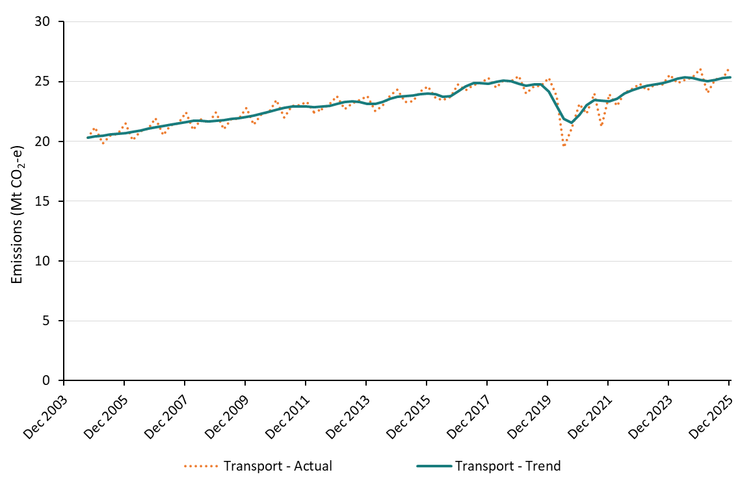
Figure 11: Transport emissions, actual and trend, by quarter, September 2004 to December 2025
Units: | Million tonnes of carbon dioxide equivalent | Million tonnes of carbon dioxide equivalent
Quarter | Transport - Actual | Transport - Trend
2004-09-01 | 20.3 | 20.3
2004-12-01 | 21.2 | 20.4
2005-03-01 | 19.8 | 20.5
2005-06-01 | 20.5 | 20.6
2005-09-01 | 20.6 | 20.6
2005-12-01 | 21.5 | 20.7
2006-03-01 | 20.1 | 20.8
2006-06-01 | 20.8 | 20.9
2006-09-01 | 21.1 | 21.1
2006-12-01 | 22.0 | 21.2
2007-03-01 | 20.5 | 21.3
2007-06-01 | 21.3 | 21.4
2007-09-01 | 21.5 | 21.5
2007-12-01 | 22.4 | 21.6
2008-03-01 | 21.0 | 21.7
2008-06-01 | 21.8 | 21.7
2008-09-01 | 21.5 | 21.7
2008-12-01 | 22.5 | 21.7
2009-03-01 | 21.0 | 21.8
2009-06-01 | 21.9 | 21.9
2009-09-01 | 21.9 | 21.9
2009-12-01 | 22.8 | 22.0
2010-03-01 | 21.4 | 22.2
2010-06-01 | 22.3 | 22.3
2010-09-01 | 22.5 | 22.5
2010-12-01 | 23.5 | 22.7
2011-03-01 | 22.0 | 22.8
2011-06-01 | 23.0 | 22.9
2011-09-01 | 23.0 | 22.9
2011-12-01 | 23.3 | 22.9
2012-03-01 | 22.5 | 22.9
2012-06-01 | 22.7 | 22.9
2012-09-01 | 23.1 | 23.0
2012-12-01 | 23.8 | 23.1
2013-03-01 | 22.7 | 23.3
2013-06-01 | 23.2 | 23.4
2013-09-01 | 23.5 | 23.3
2013-12-01 | 23.8 | 23.2
2014-03-01 | 22.5 | 23.1
2014-06-01 | 23.0 | 23.3
2014-09-01 | 23.8 | 23.6
2014-12-01 | 24.3 | 23.7
2015-03-01 | 23.3 | 23.8
2015-06-01 | 23.4 | 23.8
2015-09-01 | 24.1 | 24.0
2015-12-01 | 24.6 | 24.0
2016-03-01 | 23.6 | 23.9
2016-06-01 | 23.5 | 23.8
2016-09-01 | 23.7 | 23.8
2016-12-01 | 24.8 | 24.1
2017-03-01 | 24.3 | 24.6
2017-06-01 | 24.7 | 24.9
2017-09-01 | 24.9 | 24.8
2017-12-01 | 25.3 | 24.8
2018-03-01 | 24.5 | 25.0
2018-06-01 | 25.1 | 25.1
2018-09-01 | 25.0 | 25.1
2018-12-01 | 25.5 | 24.8
2019-03-01 | 24.0 | 24.6
2019-06-01 | 24.6 | 24.7
2019-09-01 | 24.6 | 24.7
2019-12-01 | 25.3 | 24.2
2020-03-01 | 23.8 | 23.0
2020-06-01 | 19.5 | 21.9
2020-09-01 | 21.1 | 21.6
2020-12-01 | 23.1 | 22.2
2021-03-01 | 22.3 | 23.0
2021-06-01 | 24.0 | 23.5
2021-09-01 | 21.2 | 23.4
2021-12-01 | 24.0 | 23.3
2022-03-01 | 23.0 | 23.6
2022-06-01 | 24.1 | 24.0
2022-09-01 | 24.4 | 24.3
2022-12-01 | 24.8 | 24.5
2023-03-01 | 24.2 | 24.6
2023-06-01 | 24.8 | 24.7
2023-09-01 | 24.8 | 24.9
2023-12-01 | 25.6 | 25.1
2024-03-01 | 24.9 | 25.2
2024-06-01 | 25.1 | 25.4
2024-09-01 | 25.4 | 25.3
2024-12-01 | 26.1 | 25.2
2025-03-01 | 24.1 | 25.1
2025-06-01 | 25.2 | 25.1
2025-09-01 | 25.3 | 25.3
2025-12-01 | 26.3 | 25.4

Source: Department of Climate Change, Energy, the Environment and Water

Figure 13
Quarterly Update of Australia's National Greenhouse Gas Inventory | Figures and Tables for the December Quarter 2025
Click here to return to contents page

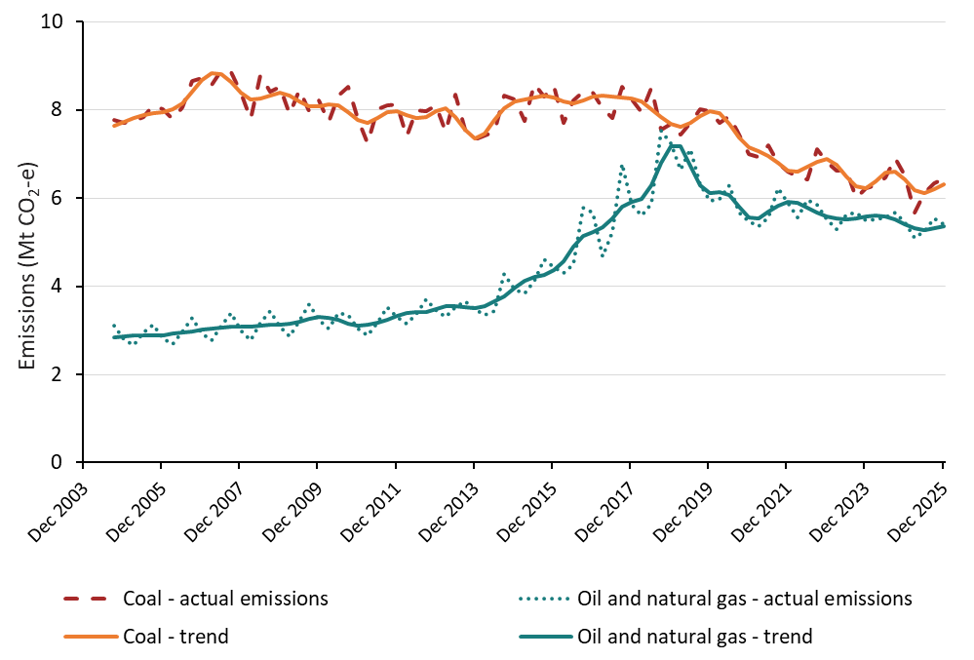
Figure 13: Fugitive emissions, actual and trend, by sub-sector, by quarter September 2004 to December 2025
Units: | Million tonnes of carbon dioxide equivalent | Million tonnes of carbon dioxide equivalent | Million tonnes of carbon dioxide equivalent | Million tonnes of carbon dioxide equivalent
Quarter | Coal - actual emissions | Oil and natural gas - actual emissions | Coal - trend | Oil and natural gas - trend
2004-09-01 | 7.8 | 3.1 | 7.6 | 2.8
2004-12-01 | 7.7 | 2.8 | 7.7 | 2.9
2005-03-01 | 7.8 | 2.7 | 7.8 | 2.9
2005-06-01 | 7.8 | 3.0 | 7.9 | 2.9
2005-09-01 | 8.1 | 3.1 | 7.9 | 2.9
2005-12-01 | 8.0 | 2.8 | 7.9 | 2.9
2006-03-01 | 7.8 | 2.7 | 8.0 | 2.9
2006-06-01 | 8.1 | 3.0 | 8.2 | 3.0
2006-09-01 | 8.6 | 3.3 | 8.4 | 3.0
2006-12-01 | 8.7 | 2.9 | 8.7 | 3.0
2007-03-01 | 8.6 | 2.8 | 8.8 | 3.0
2007-06-01 | 8.9 | 3.1 | 8.8 | 3.1
2007-09-01 | 8.9 | 3.4 | 8.6 | 3.1
2007-12-01 | 8.4 | 3.0 | 8.4 | 3.1
2008-03-01 | 7.8 | 2.8 | 8.2 | 3.1
2008-06-01 | 8.8 | 3.2 | 8.3 | 3.1
2008-09-01 | 8.4 | 3.4 | 8.3 | 3.1
2008-12-01 | 8.5 | 3.1 | 8.4 | 3.1
2009-03-01 | 7.9 | 2.9 | 8.3 | 3.2
2009-06-01 | 8.5 | 3.2 | 8.2 | 3.2
2009-09-01 | 8.0 | 3.6 | 8.1 | 3.3
2009-12-01 | 8.2 | 3.2 | 8.1 | 3.3
2010-03-01 | 7.7 | 3.0 | 8.1 | 3.3
2010-06-01 | 8.3 | 3.4 | 8.1 | 3.2
2010-09-01 | 8.5 | 3.3 | 7.9 | 3.2
2010-12-01 | 7.8 | 3.0 | 7.8 | 3.1
2011-03-01 | 7.3 | 2.9 | 7.7 | 3.1
2011-06-01 | 8.0 | 3.2 | 7.8 | 3.2
2011-09-01 | 8.1 | 3.5 | 8.0 | 3.2
2011-12-01 | 8.1 | 3.3 | 8.0 | 3.3
2012-03-01 | 7.4 | 3.2 | 7.9 | 3.4
2012-06-01 | 8.0 | 3.4 | 7.8 | 3.4
2012-09-01 | 8.0 | 3.7 | 7.8 | 3.4
2012-12-01 | 8.1 | 3.5 | 8.0 | 3.5
2013-03-01 | 7.5 | 3.3 | 8.0 | 3.6
2013-06-01 | 8.3 | 3.5 | 7.8 | 3.6
2013-09-01 | 7.6 | 3.6 | 7.6 | 3.5
2013-12-01 | 7.3 | 3.5 | 7.4 | 3.5
2014-03-01 | 7.4 | 3.3 | 7.5 | 3.6
2014-06-01 | 7.5 | 3.4 | 7.8 | 3.7
2014-09-01 | 8.3 | 4.3 | 8.0 | 3.8
2014-12-01 | 8.2 | 3.9 | 8.2 | 4.0
2015-03-01 | 7.8 | 3.8 | 8.2 | 4.1
2015-06-01 | 8.6 | 4.1 | 8.3 | 4.2
2015-09-01 | 8.3 | 4.6 | 8.3 | 4.3
2015-12-01 | 8.6 | 4.4 | 8.3 | 4.4
2016-03-01 | 7.7 | 4.3 | 8.2 | 4.6
2016-06-01 | 8.2 | 4.5 | 8.2 | 4.9
2016-09-01 | 8.4 | 5.8 | 8.2 | 5.1
2016-12-01 | 8.4 | 5.7 | 8.3 | 5.2
2017-03-01 | 8.0 | 4.7 | 8.3 | 5.3
2017-06-01 | 7.8 | 5.2 | 8.3 | 5.5
2017-09-01 | 8.5 | 6.8 | 8.3 | 5.8
2017-12-01 | 8.2 | 5.9 | 8.3 | 5.9
2018-03-01 | 7.9 | 5.6 | 8.2 | 6.0
2018-06-02 | 8.5 | 5.9 | 8.0 | 6.3
2018-09-01 | 7.6 | 7.5 | 7.8 | 6.8
2018-12-01 | 7.7 | 7.2 | 7.7 | 7.2
2019-03-01 | 7.4 | 6.7 | 7.6 | 7.2
2019-06-01 | 7.7 | 7.1 | 7.7 | 6.7
2019-09-01 | 8.0 | 6.3 | 7.8 | 6.3
2019-12-01 | 8.0 | 5.9 | 8.0 | 6.1
2020-03-01 | 7.7 | 6.0 | 7.9 | 6.1
2020-06-01 | 7.9 | 6.3 | 7.7 | 6.1
2020-09-01 | 7.4 | 5.7 | 7.4 | 5.8
2020-12-01 | 7.0 | 5.5 | 7.2 | 5.6
2021-03-01 | 6.9 | 5.4 | 7.1 | 5.5
2021-06-01 | 7.2 | 5.6 | 7.0 | 5.7
2021-09-01 | 6.8 | 6.2 | 6.8 | 5.8
2021-12-01 | 6.6 | 5.9 | 6.6 | 5.9
2022-03-01 | 6.5 | 5.6 | 6.6 | 5.9
2022-06-01 | 6.4 | 6.0 | 6.7 | 5.8
2022-09-01 | 7.1 | 5.8 | 6.8 | 5.7
2022-12-01 | 6.8 | 5.5 | 6.9 | 5.6
2023-03-01 | 6.6 | 5.3 | 6.8 | 5.5
2023-06-01 | 6.7 | 5.6 | 6.5 | 5.5
2023-09-01 | 6.0 | 5.7 | 6.3 | 5.5
2023-12-01 | 6.2 | 5.5 | 6.2 | 5.6
2024-03-01 | 6.3 | 5.5 | 6.4 | 5.6
2024-06-01 | 6.5 | 5.6 | 6.6 | 5.6
2024-09-01 | 6.9 | 5.7 | 6.6 | 5.5
2024-12-01 | 6.5 | 5.4 | 6.4 | 5.4
2025-03-01 | 5.7 | 5.1 | 6.2 | 5.3
2025-06-01 | 6.1 | 5.3 | 6.1 | 5.3
2025-09-01 | 6.3 | 5.5 | 6.2 | 5.3
2025-12-01 | 6.5 | 5.4 | 6.3 | 5.4

Source: Department of Climate Change, Energy, the Environment and Water

Figure 14
Quarterly Update of Australia's National Greenhouse Gas Inventory | Figures and Tables for the December Quarter 2025
Click here to return to contents page

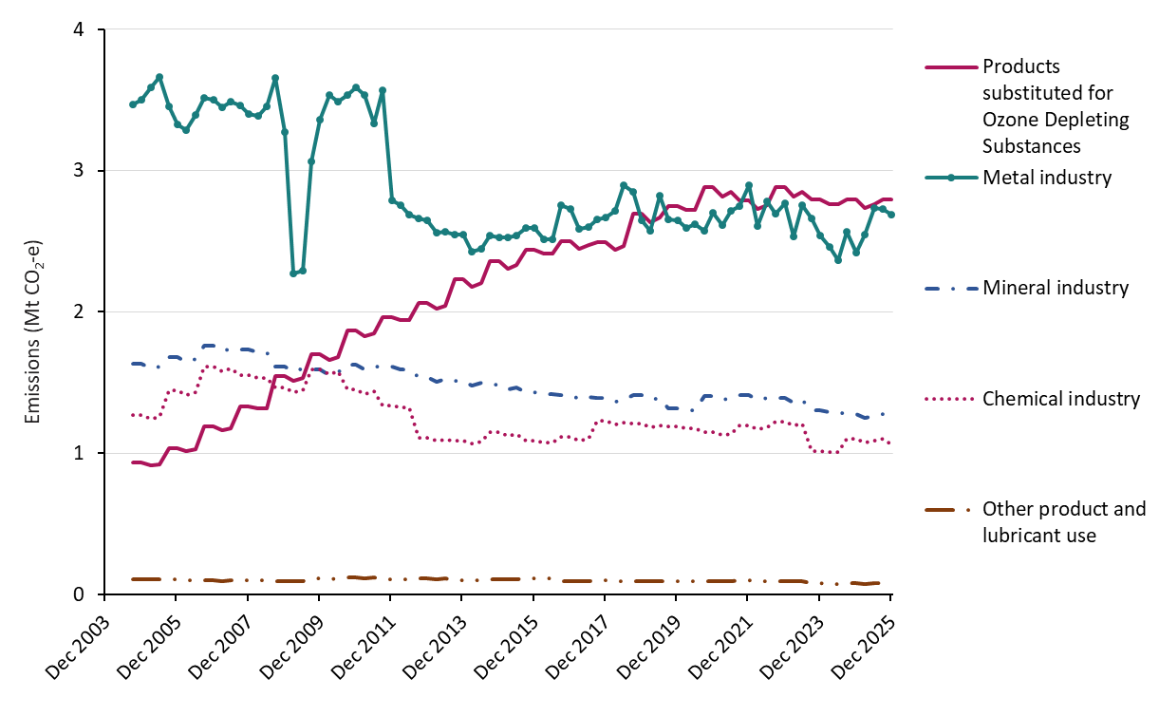
Figure 14: Industrial processes and product use emissions, actual, by sub-sector, by quarter, September 2004 to December 2025
Units: | Million tonnes of carbon dioxide equivalent | Million tonnes of carbon dioxide equivalent | Million tonnes of carbon dioxide equivalent | Million tonnes of carbon dioxide equivalent | Million tonnes of carbon dioxide equivalent
Quarter | Chemical industry | Products substituted for Ozone Depleting Substances | Metal industry | Mineral industry | Other product and lubricant use
2004-09-01 | 1.3 | 0.9 | 3.5 | 1.6 | 0.1
2004-12-01 | 1.3 | 0.9 | 3.5 | 1.6 | 0.1
2005-03-01 | 1.2 | 0.9 | 3.6 | 1.6 | 0.1
2005-06-01 | 1.3 | 0.9 | 3.7 | 1.6 | 0.1
2005-09-01 | 1.4 | 1.0 | 3.5 | 1.7 | 0.1
2005-12-01 | 1.4 | 1.0 | 3.3 | 1.7 | 0.1
2006-03-01 | 1.4 | 1.0 | 3.3 | 1.6 | 0.1
2006-06-01 | 1.4 | 1.0 | 3.4 | 1.7 | 0.1
2006-09-01 | 1.6 | 1.2 | 3.5 | 1.8 | 0.1
2006-12-01 | 1.6 | 1.2 | 3.5 | 1.8 | 0.1
2007-03-01 | 1.6 | 1.2 | 3.4 | 1.7 | 0.1
2007-06-01 | 1.6 | 1.2 | 3.5 | 1.7 | 0.1
2007-09-01 | 1.5 | 1.3 | 3.5 | 1.7 | 0.1
2007-12-01 | 1.5 | 1.3 | 3.4 | 1.7 | 0.1
2008-03-01 | 1.5 | 1.3 | 3.4 | 1.7 | 0.1
2008-06-01 | 1.5 | 1.3 | 3.5 | 1.7 | 0.1
2008-09-01 | 1.5 | 1.5 | 3.7 | 1.6 | 0.1
2008-12-01 | 1.5 | 1.5 | 3.3 | 1.6 | 0.1
2009-03-01 | 1.4 | 1.5 | 2.3 | 1.6 | 0.1
2009-06-01 | 1.4 | 1.5 | 2.3 | 1.6 | 0.1
2009-09-01 | 1.6 | 1.7 | 3.1 | 1.6 | 0.1
2009-12-01 | 1.6 | 1.7 | 3.4 | 1.6 | 0.1
2010-03-01 | 1.6 | 1.7 | 3.5 | 1.6 | 0.1
2010-06-01 | 1.6 | 1.7 | 3.5 | 1.6 | 0.1
2010-09-01 | 1.5 | 1.9 | 3.5 | 1.6 | 0.1
2010-12-01 | 1.5 | 1.9 | 3.6 | 1.6 | 0.1
2011-03-01 | 1.4 | 1.8 | 3.5 | 1.6 | 0.1
2011-06-01 | 1.4 | 1.8 | 3.3 | 1.6 | 0.1
2011-09-01 | 1.3 | 2.0 | 3.6 | 1.6 | 0.1
2011-12-01 | 1.3 | 2.0 | 2.8 | 1.6 | 0.1
2012-03-01 | 1.3 | 1.9 | 2.8 | 1.6 | 0.1
2012-06-01 | 1.3 | 1.9 | 2.7 | 1.6 | 0.1
2012-09-01 | 1.1 | 2.1 | 2.7 | 1.5 | 0.1
2012-12-01 | 1.1 | 2.1 | 2.6 | 1.5 | 0.1
2013-03-01 | 1.1 | 2.0 | 2.6 | 1.5 | 0.1
2013-06-01 | 1.1 | 2.0 | 2.6 | 1.5 | 0.1
2013-09-01 | 1.1 | 2.2 | 2.5 | 1.5 | 0.1
2013-12-01 | 1.1 | 2.2 | 2.5 | 1.5 | 0.1
2014-03-01 | 1.1 | 2.2 | 2.4 | 1.5 | 0.1
2014-06-01 | 1.1 | 2.2 | 2.4 | 1.5 | 0.1
2014-09-01 | 1.1 | 2.4 | 2.5 | 1.5 | 0.1
2014-12-01 | 1.1 | 2.4 | 2.5 | 1.5 | 0.1
2015-03-01 | 1.1 | 2.3 | 2.5 | 1.4 | 0.1
2015-06-01 | 1.1 | 2.3 | 2.5 | 1.5 | 0.1
2015-09-01 | 1.1 | 2.4 | 2.6 | 1.4 | 0.1
2015-12-01 | 1.1 | 2.4 | 2.6 | 1.4 | 0.1
2016-03-01 | 1.1 | 2.4 | 2.5 | 1.4 | 0.1
2016-06-01 | 1.1 | 2.4 | 2.5 | 1.4 | 0.1
2016-09-01 | 1.1 | 2.5 | 2.8 | 1.4 | 0.1
2016-12-01 | 1.1 | 2.5 | 2.7 | 1.4 | 0.1
2017-03-01 | 1.1 | 2.4 | 2.6 | 1.4 | 0.1
2017-06-01 | 1.1 | 2.5 | 2.6 | 1.4 | 0.1
2017-09-01 | 1.2 | 2.5 | 2.7 | 1.4 | 0.1
2017-12-01 | 1.2 | 2.5 | 2.7 | 1.4 | 0.1
2018-03-01 | 1.2 | 2.4 | 2.7 | 1.4 | 0.1
2018-06-01 | 1.2 | 2.5 | 2.9 | 1.4 | 0.1
2018-09-01 | 1.2 | 2.7 | 2.8 | 1.4 | 0.1
2018-12-01 | 1.2 | 2.7 | 2.6 | 1.4 | 0.1
2019-03-01 | 1.2 | 2.6 | 2.6 | 1.4 | 0.1
2019-06-01 | 1.2 | 2.7 | 2.8 | 1.4 | 0.1
2019-09-01 | 1.2 | 2.7 | 2.7 | 1.3 | 0.1
2019-12-01 | 1.2 | 2.7 | 2.6 | 1.3 | 0.1
2020-03-01 | 1.2 | 2.7 | 2.6 | 1.3 | 0.1
2020-06-01 | 1.2 | 2.7 | 2.6 | 1.3 | 0.1
2020-09-01 | 1.2 | 2.9 | 2.6 | 1.4 | 0.1
2020-12-01 | 1.2 | 2.9 | 2.7 | 1.4 | 0.1
2021-03-01 | 1.1 | 2.8 | 2.6 | 1.4 | 0.1
2021-06-01 | 1.1 | 2.8 | 2.7 | 1.4 | 0.1
2021-09-01 | 1.2 | 2.8 | 2.7 | 1.4 | 0.1
2021-12-01 | 1.2 | 2.8 | 2.9 | 1.4 | 0.1
2022-03-01 | 1.2 | 2.7 | 2.6 | 1.4 | 0.1
2022-06-01 | 1.2 | 2.8 | 2.8 | 1.4 | 0.1
2022-09-01 | 1.2 | 2.9 | 2.7 | 1.4 | 0.1
2022-12-01 | 1.2 | 2.9 | 2.8 | 1.4 | 0.1
2023-03-01 | 1.2 | 2.8 | 2.5 | 1.4 | 0.1
2023-06-01 | 1.2 | 2.8 | 2.8 | 1.4 | 0.1
2023-09-01 | 1.0 | 2.8 | 2.7 | 1.3 | 0.1
2023-12-01 | 1.0 | 2.8 | 2.5 | 1.3 | 0.1
2024-03-01 | 1.0 | 2.8 | 2.5 | 1.3 | 0.1
2024-06-01 | 1.0 | 2.8 | 2.4 | 1.3 | 0.1
2024-09-01 | 1.1 | 2.8 | 2.6 | 1.3 | 0.1
2024-12-01 | 1.1 | 2.8 | 2.4 | 1.3 | 0.1
2025-03-01 | 1.1 | 2.7 | 2.5 | 1.3 | 0.1
2025-06-01 | 1.1 | 2.8 | 2.7 | 1.3 | 0.1
2025-09-01 | 1.1 | 2.8 | 2.7 | 1.3 | 0.1
2025-12-01 | 1.1 | 2.8 | 2.7 | 1.3 | 0.1

Source: Department of Climate Change, Energy, the Environment and Water

Figure 15
Quarterly Update of Australia's National Greenhouse Gas Inventory | Figures and Tables for the December Quarter 2025
Click here to return to contents page

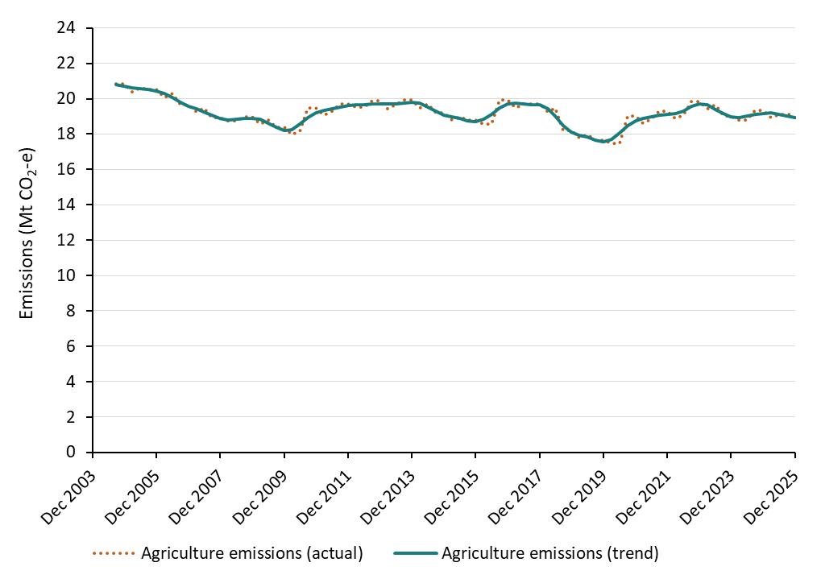
Figure 15: Agriculture emissions, actual and trend, by quarter, September 2004 to December 2025
Units: | Million tonnes of carbon dioxide equivalent | Million tonnes of carbon dioxide equivalent
Quarter | Agriculture emissions (actual) | Agriculture emissions (trend)
2004-09-01 | 20.9 | 20.8
2004-12-01 | 20.9 | 20.7
2005-03-01 | 20.4 | 20.6
2005-06-01 | 20.6 | 20.6
2005-09-01 | 20.5 | 20.5
2005-12-01 | 20.5 | 20.4
2006-03-01 | 20.1 | 20.3
2006-06-01 | 20.3 | 20.1
2006-09-01 | 19.7 | 19.8
2006-12-01 | 19.7 | 19.6
2007-03-01 | 19.2 | 19.4
2007-06-01 | 19.5 | 19.2
2007-09-01 | 18.9 | 19.0
2007-12-01 | 18.9 | 18.9
2008-03-01 | 18.7 | 18.8
2008-06-01 | 18.7 | 18.8
2008-09-01 | 19.0 | 18.9
2008-12-01 | 19.0 | 18.9
2009-03-01 | 18.6 | 18.8
2009-06-01 | 18.8 | 18.6
2009-09-01 | 18.4 | 18.4
2009-12-01 | 18.4 | 18.2
2010-03-01 | 18.0 | 18.3
2010-06-01 | 18.2 | 18.6
2010-09-01 | 19.5 | 18.9
2010-12-01 | 19.5 | 19.2
2011-03-01 | 19.1 | 19.3
2011-06-01 | 19.3 | 19.4
2011-09-01 | 19.7 | 19.5
2011-12-01 | 19.7 | 19.6
2012-03-01 | 19.5 | 19.6
2012-06-01 | 19.5 | 19.7
2012-09-01 | 19.9 | 19.7
2012-12-01 | 19.9 | 19.7
2013-03-01 | 19.4 | 19.7
2013-06-01 | 19.6 | 19.7
2013-09-01 | 19.9 | 19.8
2013-12-01 | 19.9 | 19.8
2014-03-01 | 19.5 | 19.7
2014-06-01 | 19.7 | 19.5
2014-09-01 | 19.2 | 19.3
2014-12-01 | 19.2 | 19.1
2015-03-01 | 18.8 | 19.0
2015-06-01 | 19.0 | 18.9
2015-09-01 | 18.8 | 18.8
2015-12-01 | 18.8 | 18.7
2016-03-01 | 18.6 | 18.8
2016-06-01 | 18.6 | 19.1
2016-09-01 | 19.9 | 19.5
2016-12-01 | 19.9 | 19.7
2017-03-01 | 19.5 | 19.7
2017-06-01 | 19.7 | 19.7
2017-09-01 | 19.7 | 19.6
2017-12-01 | 19.7 | 19.6
2018-03-01 | 19.3 | 19.5
2018-06-01 | 19.5 | 19.0
2018-09-01 | 18.2 | 18.5
2018-12-01 | 18.2 | 18.1
2019-03-01 | 17.8 | 17.9
2019-06-01 | 18.0 | 17.8
2019-09-01 | 17.7 | 17.7
2019-12-01 | 17.7 | 17.6
2020-03-01 | 17.5 | 17.7
2020-06-01 | 17.5 | 18.1
2020-09-01 | 19.0 | 18.5
2020-12-01 | 19.0 | 18.8
2021-03-01 | 18.6 | 18.9
2021-06-01 | 18.8 | 19.0
2021-09-01 | 19.3 | 19.1
2021-12-01 | 19.3 | 19.1
2022-03-01 | 18.9 | 19.2
2022-06-01 | 19.1 | 19.3
2022-09-01 | 19.9 | 19.5
2022-12-01 | 19.9 | 19.7
2023-03-01 | 19.4 | 19.6
2023-06-01 | 19.6 | 19.4
2023-09-01 | 19.0 | 19.2
2023-12-01 | 19.0 | 19.0
2024-03-01 | 18.8 | 18.9
2024-06-01 | 18.8 | 19.0
2024-09-01 | 19.3 | 19.1
2024-12-01 | 19.3 | 19.2
2025-03-01 | 18.9 | 19.2
2025-06-01 | 19.1 | 19.1
2025-09-01 | 19.1 | 19.0
2025-12-01 | 19.1 | 18.9

Source: Department of Climate Change, Energy, the Environment and Water

Figure 16
Quarterly Update of Australia's National Greenhouse Gas Inventory | Figures and Tables for the December Quarter 2025
Click here to return to contents page

Figure 16: Waste emissions, actual, by sub-sector, by quarter, September 2004 to December 2025
Units: | Million tonnes of carbon dioxide equivalent | Million tonnes of carbon dioxide equivalent | Million tonnes of carbon dioxide equivalent
Quarter | Solid waste disposal on land | Wastewater handling | Incineration and biological treatment of solid waste
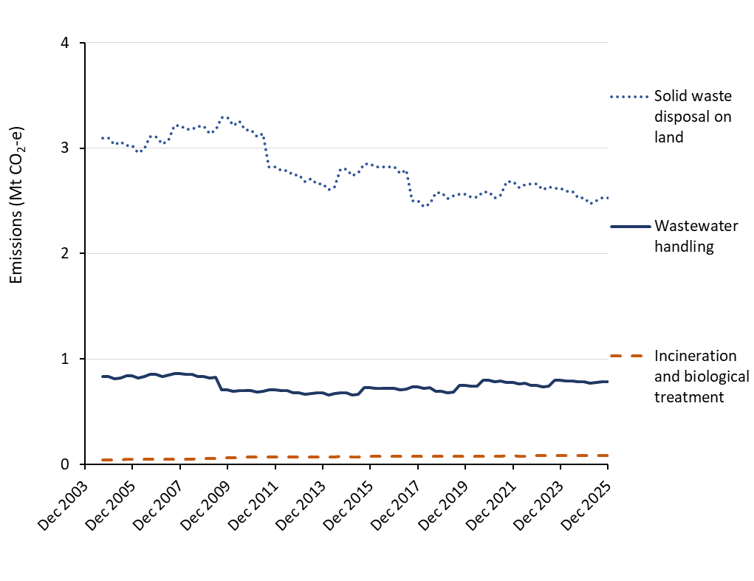
2004-09-01 | 3.1 | 0.8 | 0.0
2004-12-01 | 3.1 | 0.8 | 0.0
2005-03-01 | 3.0 | 0.8 | 0.0
2005-06-01 | 3.1 | 0.8 | 0.0
2005-09-01 | 3.0 | 0.8 | 0.0
2005-12-01 | 3.0 | 0.8 | 0.0
2006-03-01 | 3.0 | 0.8 | 0.0
2006-06-01 | 3.0 | 0.8 | 0.0
2006-09-01 | 3.1 | 0.9 | 0.0
2006-12-01 | 3.1 | 0.9 | 0.0
2007-03-01 | 3.0 | 0.8 | 0.0
2007-06-01 | 3.1 | 0.8 | 0.0
2007-09-01 | 3.2 | 0.9 | 0.1
2007-12-01 | 3.2 | 0.9 | 0.1
2008-03-01 | 3.2 | 0.9 | 0.1
2008-06-01 | 3.2 | 0.9 | 0.1
2008-09-01 | 3.2 | 0.8 | 0.1
2008-12-01 | 3.2 | 0.8 | 0.1
2009-03-01 | 3.1 | 0.8 | 0.1
2009-06-01 | 3.2 | 0.8 | 0.1
2009-09-01 | 3.3 | 0.7 | 0.1
2009-12-01 | 3.3 | 0.7 | 0.1
2010-03-01 | 3.2 | 0.7 | 0.1
2010-06-01 | 3.3 | 0.7 | 0.1
2010-09-01 | 3.2 | 0.7 | 0.1
2010-12-01 | 3.2 | 0.7 | 0.1
2011-03-01 | 3.1 | 0.7 | 0.1
2011-06-01 | 3.1 | 0.7 | 0.1
2011-09-01 | 2.8 | 0.7 | 0.1
2011-12-01 | 2.8 | 0.7 | 0.1
2012-03-01 | 2.8 | 0.7 | 0.1
2012-06-01 | 2.8 | 0.7 | 0.1
2012-09-01 | 2.7 | 0.7 | 0.1
2012-12-01 | 2.7 | 0.7 | 0.1
2013-03-01 | 2.7 | 0.7 | 0.1
2013-06-01 | 2.7 | 0.7 | 0.1
2013-09-01 | 2.7 | 0.7 | 0.1
2013-12-01 | 2.7 | 0.7 | 0.1
2014-03-01 | 2.6 | 0.7 | 0.1
2014-06-01 | 2.6 | 0.7 | 0.1
2014-09-01 | 2.8 | 0.7 | 0.1
2014-12-01 | 2.8 | 0.7 | 0.1
2015-03-01 | 2.7 | 0.7 | 0.1
2015-06-01 | 2.8 | 0.7 | 0.1
2015-09-01 | 2.9 | 0.7 | 0.1
2015-12-01 | 2.9 | 0.7 | 0.1
2016-03-01 | 2.8 | 0.7 | 0.1
2016-06-01 | 2.8 | 0.7 | 0.1
2016-09-01 | 2.8 | 0.7 | 0.1
2016-12-01 | 2.8 | 0.7 | 0.1
2017-03-01 | 2.8 | 0.7 | 0.1
2017-06-01 | 2.8 | 0.7 | 0.1
2017-09-01 | 2.5 | 0.7 | 0.1
2017-12-01 | 2.5 | 0.7 | 0.1
2018-03-01 | 2.4 | 0.7 | 0.1
2018-06-01 | 2.5 | 0.7 | 0.1
2018-09-01 | 2.6 | 0.7 | 0.1
2018-12-01 | 2.6 | 0.7 | 0.1
2019-03-01 | 2.5 | 0.7 | 0.1
2019-06-01 | 2.5 | 0.7 | 0.1
2019-09-01 | 2.6 | 0.7 | 0.1
2019-12-01 | 2.6 | 0.7 | 0.1
2020-03-01 | 2.5 | 0.7 | 0.1
2020-06-01 | 2.5 | 0.7 | 0.1
2020-09-01 | 2.6 | 0.8 | 0.1
2020-12-01 | 2.6 | 0.8 | 0.1
2021-03-01 | 2.5 | 0.8 | 0.1
2021-06-01 | 2.6 | 0.8 | 0.1
2021-09-01 | 2.7 | 0.8 | 0.1
2021-12-01 | 2.7 | 0.8 | 0.1
2022-03-01 | 2.6 | 0.8 | 0.1
2022-06-01 | 2.7 | 0.8 | 0.1
2022-09-01 | 2.7 | 0.8 | 0.1
2022-12-01 | 2.7 | 0.8 | 0.1
2023-03-01 | 2.6 | 0.7 | 0.1
2023-06-01 | 2.6 | 0.7 | 0.1
2023-09-01 | 2.6 | 0.8 | 0.1
2023-12-01 | 2.6 | 0.8 | 0.1
2024-03-01 | 2.6 | 0.8 | 0.1
2024-06-01 | 2.6 | 0.8 | 0.1
2024-09-01 | 2.5 | 0.8 | 0.1
2024-12-01 | 2.5 | 0.8 | 0.1
2025-03-01 | 2.5 | 0.8 | 0.1
2025-06-01 | 2.5 | 0.8 | 0.1
2025-09-01 | 2.5 | 0.8 | 0.1
2025-12-01 | 2.5 | 0.8 | 0.1

Source: Department of Climate Change, Energy, the Environment and Water

Figure 17
Quarterly Update of Australia's National Greenhouse Gas Inventory | Figures and Tables for the December Quarter 2025
Click here to return to contents page

Figure 17: LULUCF net anthropogenic emissions, by sub-sector, from year to December 2025
Units: | Million tonnes of carbon dioxide equivalent | Million tonnes of carbon dioxide equivalent | Million tonnes of carbon dioxide equivalent | Million tonnes of carbon dioxide equivalent | Million tonnes of carbon dioxide equivalent | Million tonnes of carbon dioxide equivalent
Quarter Period | Forest land converted to other uses (Cropland, Grassland, Settlements, and Wetland) | Cropland remaining cropland | Land Remaining Land (Grassland, Settlements, and Wetland) | Land converted to forest | Forest remaining forest | Harvested Wood Products
2005-12-01 | 100.55 | 5.77 | 28.63 | -21.30 | -13.30 | -7.72
2006-12-01 | 96.83 | 5.72 | 31.97 | -22.92 | -9.20 | -6.98
2007-12-01 | 79.96 | 4.64 | 21.14 | -21.89 | -1.29 | -6.40
2008-12-01 | 64.28 | 3.73 | 16.95 | -23.39 | 9.88 | -5.47
2009-12-01 | 58.17 | 3.34 | 17.95 | -25.62 | 15.82 | -4.34
2010-12-01 | 53.69 | 3.00 | 14.37 | -35.75 | 21.01 | -4.33
2011-12-01 | 39.28 | 1.67 | 7.83 | -38.53 | 16.03 | -4.22
2012-12-01 | 45.67 | -1.65 | 2.89 | -31.02 | 1.89 | -3.93
2013-12-01 | 57.03 | -4.14 | 4.39 | -32.58 | -7.27 | -3.84
2014-12-01 | 50.96 | -4.39 | 6.35 | -34.24 | -13.28 | -3.86
2015-12-01 | 37.12 | -4.51 | 4.40 | -38.13 | -25.55 | -4.08
2016-12-01 | 41.00 | -4.44 | 5.37 | -43.83 | -34.95 | -4.17
2017-12-01 | 47.17 | -5.31 | 4.59 | -39.76 | -43.08 | -4.58
2018-12-01 | 35.63 | -7.73 | -3.80 | -32.84 | -44.76 | -4.97
2019-12-01 | 35.01 | -9.05 | -11.14 | -32.46 | -38.34 | -4.68
2020-12-01 | 31.70 | -9.36 | -16.22 | -41.59 | -34.57 | -4.68
2021-12-01 | 15.65 | -9.50 | -13.33 | -48.56 | -23.91 | -5.27
2022-12-01 | 21.49 | -8.32 | -4.88 | -46.90 | -17.02 | -5.32
2023-12-01 | 27.77 | -7.32 | -1.11 | -42.21 | -18.58 | -5.14
2024-12-01 | 21.63 | -7.45 | -0.56 | -39.94 | -20.56 | -5.27
2025-12-01 | 21.57 | -7.43 | -0.56 | -39.83 | -20.51 | -5.26

Source: Department of Climate Change, Energy, the Environment and Water

Figure 18
Quarterly Update of Australia's National Greenhouse Gas Inventory | Figures and Tables for the December Quarter 2025
Click here to return to contents page

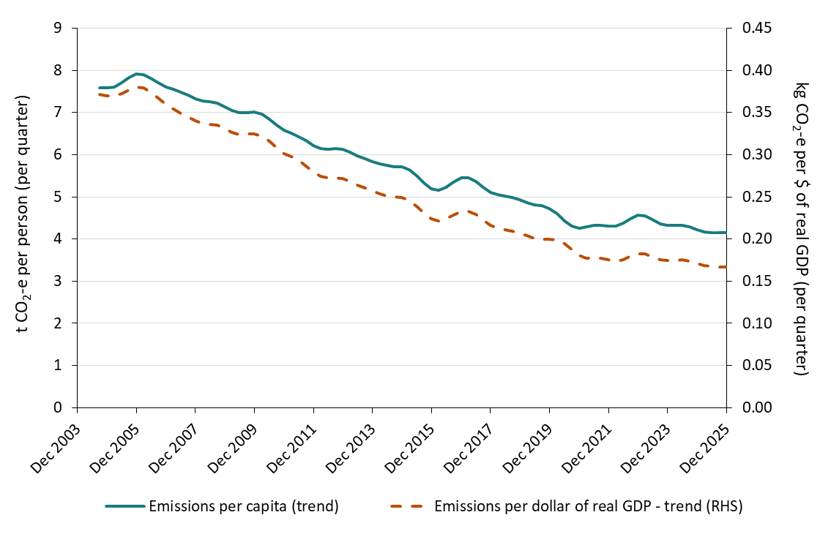
Figure 18: Emissions per capita and per dollar of real GDP, by quarter, September 2004 to December 2025
Units: | tonnes of carbon dioxide equivalent per person | kilograms of carbon dioxide equivalent per dollar of real GDP
Quarter | Emissions per capita (trend) | Emissions per dollar of real GDP - trend (RHS)
2004-09-01 | 7.6 | 0.4
2004-12-01 | 7.6 | 0.4
2005-03-01 | 7.6 | 0.4
2005-06-01 | 7.7 | 0.4
2005-09-01 | 7.8 | 0.4
2005-12-01 | 7.9 | 0.4
2006-03-01 | 7.9 | 0.4
2006-06-01 | 7.8 | 0.4
2006-09-01 | 7.7 | 0.4
2006-12-01 | 7.6 | 0.4
2007-03-01 | 7.5 | 0.4
2007-06-01 | 7.5 | 0.3
2007-09-01 | 7.4 | 0.3
2007-12-01 | 7.3 | 0.3
2008-03-01 | 7.3 | 0.3
2008-06-01 | 7.3 | 0.3
2008-09-01 | 7.2 | 0.3
2008-12-01 | 7.1 | 0.3
2009-03-01 | 7.0 | 0.3
2009-06-01 | 7.0 | 0.3
2009-09-01 | 7.0 | 0.3
2009-12-01 | 7.0 | 0.3
2010-03-01 | 7.0 | 0.3
2010-06-01 | 6.8 | 0.3
2010-09-01 | 6.7 | 0.3
2010-12-01 | 6.6 | 0.3
2011-03-01 | 6.5 | 0.3
2011-06-01 | 6.4 | 0.3
2011-09-01 | 6.3 | 0.3
2011-12-01 | 6.2 | 0.3
2012-03-01 | 6.1 | 0.3
2012-06-01 | 6.1 | 0.3
2012-09-01 | 6.1 | 0.3
2012-12-01 | 6.1 | 0.3
2013-03-01 | 6.1 | 0.3
2013-06-01 | 6.0 | 0.3
2013-09-01 | 5.9 | 0.3
2013-12-01 | 5.8 | 0.3
2014-03-01 | 5.8 | 0.3
2014-06-01 | 5.7 | 0.3
2014-09-01 | 5.7 | 0.2
2014-12-01 | 5.7 | 0.2
2015-03-01 | 5.6 | 0.2
2015-06-01 | 5.5 | 0.2
2015-09-01 | 5.3 | 0.2
2015-12-01 | 5.2 | 0.2
2016-03-01 | 5.2 | 0.2
2016-06-01 | 5.2 | 0.2
2016-09-01 | 5.3 | 0.2
2016-12-01 | 5.4 | 0.2
2017-03-01 | 5.5 | 0.2
2017-06-01 | 5.4 | 0.2
2017-09-01 | 5.2 | 0.2
2017-12-01 | 5.1 | 0.2
2018-03-01 | 5.0 | 0.2
2018-06-01 | 5.0 | 0.2
2018-09-01 | 5.0 | 0.2
2018-12-01 | 4.9 | 0.2
2019-03-01 | 4.9 | 0.2
2019-06-01 | 4.8 | 0.2
2019-09-01 | 4.8 | 0.2
2019-12-01 | 4.7 | 0.2
2020-03-01 | 4.6 | 0.2
2020-06-01 | 4.4 | 0.2
2020-09-01 | 4.3 | 0.2
2020-12-01 | 4.3 | 0.2
2021-03-01 | 4.3 | 0.2
2021-06-01 | 4.3 | 0.2
2021-09-01 | 4.3 | 0.2
2021-12-01 | 4.3 | 0.2
2022-03-01 | 4.3 | 0.2
2022-06-01 | 4.4 | 0.2
2022-09-01 | 4.5 | 0.2
2022-12-01 | 4.6 | 0.2
2023-03-01 | 4.6 | 0.2
2023-06-01 | 4.5 | 0.2
2023-09-01 | 4.4 | 0.2
2023-12-01 | 4.3 | 0.2
2024-03-01 | 4.3 | 0.2
2024-06-01 | 4.3 | 0.2
2024-09-01 | 4.3 | 0.2
2024-12-01 | 4.2 | 0.2
2025-03-01 | 4.2 | 0.2
2025-06-01 | 4.1 | 0.2
2025-09-01 | 4.1 | 0.2
2025-12-01 | 4.1 | 0.2

Sources:
Australian Bureau of Statistics (2025), Australian Demographic Statistics, pub. no. 3101 http://www.abs.gov.au/ausstats/abs@.nsf/mf/3101.0
Australian Bureau of Statistics (2025), Population Clock. http://www.abs.gov.au/AUSSTATS/abs@.nsf/Web+Pages/Population+Clock
Australian Bureau of Statistics (2025), National Accounts: National Income, Expenditure and Product, Cat. No. 5206.0
http://www.abs.gov.au/ausstats/abs@.nsf/mf/5206.0

Figure ST1
Quarterly Update of Australia's National Greenhouse Gas Inventory | Figures and Tables for the December Quarter 2025
Click here to return to contents page

Figure ST1: Total cleared area, Australia, 1989-90 to 2023-24

 | Primary Forest Conversion | Secondary Forest Reclearing | Total area cleared
1989-90 | 597.54 | 322.71 | 920.25
1990-91 | 481.85 | 353.28 | 835.13
1991-92 | 379.49 | 393.13 | 772.62
1992-93 | 269.51 | 313.65 | 583.16
1993-94 | 274.47 | 337.26 | 611.73
1994-95 | 219.65 | 259.64 | 479.29
1995-96 | 224.76 | 294.16 | 518.92
1996-97 | 223.26 | 286.11 | 509.37
1997-98 | 226.15 | 302.85 | 529.00
1998-99 | 263.39 | 379.87 | 643.26
1999-00 | 271.26 | 347.31 | 618.57
2000-01 | 315.17 | 400.88 | 716.05
2001-02 | 283.02 | 357.05 | 640.07
2002-03 | 227.19 | 371.79 | 598.98
2003-04 | 236.62 | 400.20 | 636.82
2004-05 | 294.87 | 568.49 | 863.36
2005-06 | 248.46 | 537.60 | 786.06
2006-07 | 209.13 | 499.67 | 708.80
2007-08 | 146.01 | 391.93 | 537.93
2008-09 | 111.70 | 355.12 | 466.82
2009-10 | 90.08 | 341.33 | 431.41
2010-11 | 75.40 | 319.85 | 395.25
2011-12 | 60.77 | 333.40 | 394.18
2012-13 | 62.99 | 434.05 | 497.04
2013-14 | 63.22 | 394.59 | 457.81
2014-15 | 64.49 | 377.09 | 441.58
2015-16 | 68.80 | 418.86 | 487.66
2016-17 | 62.41 | 407.00 | 469.40
2017-18 | 53.56 | 390.84 | 444.39
2018-19 | 39.81 | 306.73 | 346.54
2019-20 | 35.13 | 281.45 | 316.58
2020-21 | 31.73 | 288.70 | 320.43
2021-22 | 21.59 | 164.57 | 186.16
2022-23 | 21.59 | 164.57 | 186.16
2023-24 | 21.59 | 164.57 | 186.16

Figure ST2
Quarterly Update of Australia's National Greenhouse Gas Inventory | Figures and Tables for the December Quarter 2025
Click here to return to contents page

Figure ST2: Disaggregated emissions associated with forest conversions

 | A: Direct emissions from primary clearing | B: Direct emissions from reclearing | C: All other emissions on lands with a history of clearing
1989-90 | 118.2 | 9.7 | 45.1
1990-91 | 104.7 | 9.8 | 39.1
1991-92 | 71.8 | 9.2 | 38.2
1992-93 | 57.7 | 8.4 | 37.0
1993-94 | 48.7 | 8.5 | 26.6
1994-95 | 44.2 | 8.3 | 22.5
1995-96 | 36.6 | 7.1 | 22.8
1996-97 | 39.4 | 8.8 | 23.4
1997-98 | 37.0 | 9.3 | 19.4
1998-99 | 42.1 | 11.2 | 26.3
1999-00 | 43.4 | 12.9 | 18.3
2000-01 | 45.1 | 13.4 | 32.3
2001-02 | 47.5 | 15.4 | 27.3
2002-03 | 39.1 | 13.8 | 31.0
2003-04 | 37.7 | 15.2 | 23.0
2004-05 | 47.3 | 19.9 | 23.7
2005-06 | 46.6 | 21.1 | 39.1
2006-07 | 43.0 | 20.9 | 20.1
2007-08 | 31.3 | 14.9 | 27.3
2008-09 | 25.1 | 12.7 | 14.6
2009-10 | 22.1 | 13.4 | 25.8
2010-11 | 19.3 | 11.5 | 12.1
2011-12 | 13.2 | 9.7 | 9.1
2012-13 | 12.3 | 11.2 | 30.9
2013-14 | 14.3 | 12.6 | 27.0
2014-15 | 11.8 | 10.6 | 20.0
2015-16 | 13.8 | 12.0 | 2.2
2016-17 | 12.0 | 12.0 | 26.1
2017-18 | 11.3 | 12.4 | 16.3
2018-19 | 8.9 | 11.0 | 7.4
2019-20 | 7.8 | 10.2 | 20.2
2020-21 | 7.4 | 10.4 | 2.8
2021-22 | 5.9 | 8.6 | -8.6
2022-23 | 5.9 | 8.6 | 25.3
2023-24 | 5.9 | 8.6 | 12.9

Figure ST3
Quarterly Update of Australia's National Greenhouse Gas Inventory | Figures and Tables for the December Quarter 2025
Click here to return to contents page

Figure ST3: Net emissions from regrowth and regenerating forest

 | Emissions |  | Cumulative Area
 | Actual | Trend
 | Net emissions from regrowth and regenerating forest (actual) | Net emissions from regrowth and regenerating forest (trend) | Cumulative area of regrowth and regenerating forest
1989-90 | -3.6 | -4.2 | 3,010.4
1990-91 | -4.0 | -4.5 | 3,596.2
1991-92 | -4.9 | -4.4 | 4,061.3
1992-93 | -5.4 | -5.3 | 4,429.1
1993-94 | -4.0 | -5.9 | 4,747.2
1994-95 | -8.0 | -7.0 | 5,084.7
1995-96 | -7.2 | -8.0 | 5,337.9
1996-97 | -10.4 | -9.7 | 5,595.7
1997-98 | -10.2 | -11.1 | 5,828.7
1998-99 | -12.7 | -11.2 | 6,050.6
1999-00 | -14.8 | -10.6 | 6,300.5
2000-01 | -7.8 | -10.0 | 6,453.5
2001-02 | -7.5 | -9.3 | 6,623.3
2002-03 | -7.1 | -7.0 | 6,774.1
2003-04 | -9.5 | -7.3 | 6,973.4
2004-05 | -3.1 | -6.7 | 7,127.7
2005-06 | -9.4 | -6.1 | 7,365.0
2006-07 | -4.4 | -5.5 | 7,572.0
2007-08 | -4.2 | -6.4 | 7,816.2
2008-09 | -6.2 | -8.9 | 8,187.8
2009-10 | -7.8 | -9.7 | 8,640.0
2010-11 | -21.8 | -10.1 | 9,092.0
2011-12 | -8.5 | -11.7 | 9,501.1
2012-13 | -6.0 | -12.7 | 9,928.7
2013-14 | -14.5 | -12.9 | 10,411.2
2014-15 | -13.0 | -15.9 | 10,954.0
2015-16 | -22.5 | -18.4 | 11,471.3
2016-17 | -23.7 | -18.6 | 11,925.1
2017-18 | -18.5 | -20.3 | 12,159.5
2018-19 | -15.2 | -22.7 | 12,371.8
2019-20 | -21.8 | -25.4 | 12,579.7
2020-21 | -34.1 | -28.1 | 12,913.5
2021-22 | -37.1 | -30.7 | 13,574.2
2022-23 | -32.4 | -32.9 | 13,813.6
2023-24 | -28.1 | -32.5 | 13,813.6

Figure ST4
Quarterly Update of Australia's National Greenhouse Gas Inventory | Figures and Tables for the December Quarter 2025
Click here to return to contents page

Figure ST4: Harvest Area and Net Emissions in Harvested Native Forests

 | Area Harvested (ha) | Net Emissions (Mt CO2-e) | Emissions Trend (Mt CO2-e)
1989-90 | 166,858.4 | -5.7 | -9.5
1990-91 | 146,612.1 | -7.3 | -8.7
1991-92 | 189,219.6 | -14.1 | -8.9
1992-93 | 188,900.6 | -16.3 | -9.7
1993-94 | 180,305.6 | -4.2 | -9.2
1994-95 | 179,160.0 | -4.3 | -10.0
1995-96 | 166,306.6 | -10.5 | -9.7
1996-97 | 134,842.2 | -15.4 | -9.1
1997-98 | 142,707.4 | -5.1 | -9.1
1998-99 | 116,485.7 | -12.8 | -10.8
1999-00 | 103,576.1 | -4.6 | -13.0
2000-01 | 123,697.9 | -8.6 | -14.2
2001-02 | 106,103.4 | -16.3 | -15.1
2002-03 | 93,705.5 | -20.0 | -17.0
2003-04 | 108,925.9 | -23.4 | -17.9
2004-05 | 111,693.9 | -22.1 | -18.4
2005-06 | 101,688.3 | -22.8 | -18.1
2006-07 | 94,960.0 | -22.1 | -17.3
2007-08 | 97,216.0 | -21.5 | -16.4
2008-09 | 91,004.8 | -9.1 | -15.4
2009-10 | 78,174.4 | -5.7 | -16.2
2010-11 | 63,164.1 | -8.8 | -17.7
2011-12 | 55,351.5 | -11.9 | -19.5
2012-13 | 70,317.1 | -14.7 | -21.7
2013-14 | 53,873.9 | -29.3 | -25.9
2014-15 | 57,402.2 | -36.1 | -29.6
2015-16 | 42,999.3 | -38.4 | -32.4
2016-17 | 51,548.6 | -41.5 | -34.8
2017-18 | 57,001.8 | -47.1 | -36.3
2018-19 | 43,420.1 | -38.3 | -36.2
2019-20 | 42,915.8 | -34.0 | -35.6
2020-21 | 33,376.9 | -34.1 | -35.3
2021-22 | 38,538.6 | -28.0 | -34.4
2022-23 | 31,756.9 | -28.5 | -32.3
2023-24 | 27,843.8 | -30.8 | -31.1

Figure ST5
Quarterly Update of Australia's National Greenhouse Gas Inventory | Figures and Tables for the December Quarter 2025
Click here to return to contents page

Figure ST5: Net emissions from savanna fire management in ACCU project areas and non-project areas

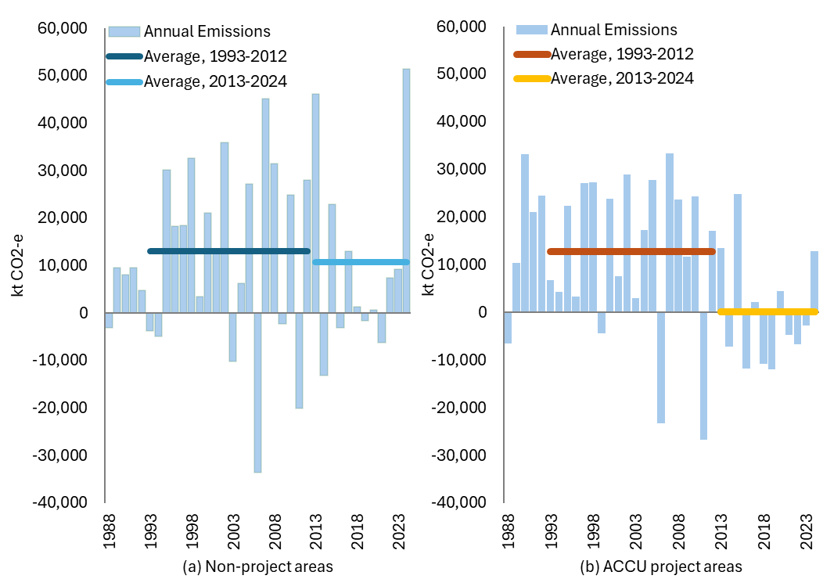
 | Non-Project Areas |  |  | Project Areas
Year | Annual Emissions | Average, 1993-2012 | Average, 2013-2024 | Annual Emissions | Average, 1993-2012 | Average, 2013-2024
1988 | -3,118 |  |  | -6,584
1989 | 9,592 |  |  | 10,379
1990 | 8,008 |  |  | 33,151
1991 | 9,498 |  |  | 21,029
1992 | 4,790 |  |  | 24,566
1993 | -3,770 | 13,049 |  | 6,807 | 12,766
1994 | -4,874 | 13,049 |  | 4,243 | 12,766
1995 | 30,199 | 13,049 |  | 22,361 | 12,766
1996 | 18,282 | 13,049 |  | 3,377 | 12,766
1997 | 18,531 | 13,049 |  | 27,179 | 12,766
1998 | 32,654 | 13,049 |  | 27,308 | 12,766
1999 | 3,430 | 13,049 |  | -4,488 | 12,766
2000 | 21,114 | 13,049 |  | 23,836 | 12,766
2001 | 12,792 | 13,049 |  | 7,560 | 12,766
2002 | 35,890 | 13,049 |  | 28,903 | 12,766
2003 | -10,154 | 13,049 |  | 2,918 | 12,766
2004 | 6,299 | 13,049 |  | 17,338 | 12,766
2005 | 27,161 | 13,049 |  | 27,856 | 12,766
2006 | -33,668 | 13,049 |  | -23,290 | 12,766
2007 | 45,089 | 13,049 |  | 33,386 | 12,766
2008 | 31,539 | 13,049 |  | 23,622 | 12,766
2009 | -2,251 | 13,049 |  | 11,671 | 12,766
2010 | 24,833 | 13,049 |  | 24,332 | 12,766
2011 | -20,089 | 13,049 |  | -26,762 | 12,766
2012 | 27,968 | 13,049 |  | 17,168 | 12,766
2013 | 46,152 |  | 10,662 | 13,478 |  | 131
2014 | -13,139 |  | 10,662 | -7,289 |  | 131
2015 | 22,885 |  | 10,662 | 24,799 |  | 131
2016 | -3,219 |  | 10,662 | -11,794 |  | 131
2017 | 13,050 |  | 10,662 | 2,097 |  | 131
2018 | 1,384 |  | 10,662 | -10,904 |  | 131
2019 | -1,578 |  | 10,662 | -11,897 |  | 131
2020 | 629 |  | 10,662 | 4,387 |  | 131
2021 | -6,348 |  | 10,662 | -4,678 |  | 131
2022 | 7,483 |  | 10,662 | -6,708 |  | 131
2023 | 9,211 |  | 10,662 | -2,751 |  | 131
2024 | 51,430 |  | 10,662 | 12,833 |  | 131

Data Table 1A
Quarterly Update of Australia's National Greenhouse Gas Inventory | Figures and Tables for the December Quarter 2025
Click here to return to contents page

Data Table 1A: Actual emissions (Mt), by sector, by quarter, since 2004-05 (including preliminary March 2026)
Year | Quarter | Energy |  |  |  | Industrial Processes and Product Use | Agriculture | Waste | Land Use, Land Use Change and Forestry (LULUCF) | National Inventory Total
 |  | Electricity | Stationary Energy excl. electricity | Transport | Fugitive Emissions
2004-05 | Sep-2004 | 51.2 | 22.2 | 20.3 | 10.9 | 7.5 | 20.9 | 4.0 | 19.4 | 156.3
 | Dec-2004 | 46.3 | 19.3 | 21.2 | 10.5 | 7.5 | 20.9 | 4.0 | 19.4 | 148.9
 | Mar-2005 | 49.4 | 18.1 | 19.8 | 10.4 | 7.5 | 20.4 | 3.9 | 18.9 | 148.4
 | Jun-2005 | 49.8 | 21.7 | 20.5 | 10.8 | 7.6 | 20.6 | 3.9 | 19.2 | 154.1
2005-06 | Sep-2005 | 52.4 | 22.2 | 20.6 | 11.2 | 7.8 | 20.5 | 3.9 | 27.3 | 166.0
 | Dec-2005 | 47.5 | 19.1 | 21.5 | 10.8 | 7.6 | 20.5 | 3.9 | 27.3 | 158.3
 | Mar-2006 | 50.3 | 17.8 | 20.1 | 10.5 | 7.5 | 20.1 | 3.8 | 26.7 | 156.8
 | Jun-2006 | 51.0 | 21.4 | 20.8 | 11.0 | 7.7 | 20.3 | 3.9 | 27.0 | 163.0
2006-07 | Sep-2006 | 53.5 | 22.5 | 21.1 | 11.9 | 8.2 | 19.7 | 4.0 | 20.9 | 161.8
 | Dec-2006 | 48.0 | 19.5 | 22.0 | 11.7 | 8.2 | 19.7 | 4.0 | 20.9 | 153.9
 | Mar-2007 | 50.9 | 17.8 | 20.5 | 11.3 | 8.1 | 19.2 | 3.9 | 20.4 | 152.2
 | Jun-2007 | 51.6 | 21.7 | 21.3 | 12.0 | 8.1 | 19.5 | 4.0 | 20.7 | 158.8
2007-08 | Sep-2007 | 53.7 | 23.3 | 21.5 | 12.3 | 8.2 | 18.9 | 4.1 | 17.5 | 159.6
 | Dec-2007 | 48.3 | 20.1 | 22.4 | 11.4 | 8.2 | 18.9 | 4.1 | 17.5 | 151.0
 | Mar-2008 | 51.7 | 18.0 | 21.0 | 10.6 | 8.1 | 18.7 | 4.1 | 17.3 | 149.6
 | Jun-2008 | 52.1 | 22.4 | 21.8 | 11.9 | 8.2 | 18.7 | 4.1 | 17.3 | 156.6
2008-09 | Sep-2008 | 55.0 | 23.7 | 21.5 | 11.9 | 8.4 | 19.0 | 4.1 | 15.7 | 159.3
 | Dec-2008 | 49.3 | 20.3 | 22.5 | 11.6 | 8.1 | 19.0 | 4.1 | 15.7 | 150.4
 | Mar-2009 | 53.5 | 17.3 | 21.0 | 10.8 | 6.9 | 18.6 | 4.0 | 15.3 | 147.4
 | Jun-2009 | 53.6 | 21.4 | 21.9 | 11.7 | 7.0 | 18.8 | 4.1 | 15.5 | 154.0
2009-10 | Sep-2009 | 53.2 | 22.7 | 21.9 | 11.6 | 8.1 | 18.4 | 4.1 | 17.3 | 157.2
 | Dec-2009 | 47.9 | 19.9 | 22.8 | 11.5 | 8.4 | 18.4 | 4.1 | 17.3 | 150.1
 | Mar-2010 | 51.9 | 18.2 | 21.4 | 10.8 | 8.5 | 18.0 | 4.0 | 16.9 | 149.5
 | Jun-2010 | 51.9 | 22.3 | 22.3 | 11.7 | 8.5 | 18.2 | 4.0 | 17.1 | 155.9
2010-11 | Sep-2010 | 51.4 | 23.6 | 22.5 | 11.9 | 8.7 | 19.5 | 3.9 | 9.0 | 150.5
 | Dec-2010 | 46.7 | 20.5 | 23.5 | 10.8 | 8.7 | 19.5 | 3.9 | 9.0 | 142.6
 | Mar-2011 | 50.2 | 18.7 | 22.0 | 10.1 | 8.5 | 19.1 | 3.9 | 8.8 | 141.4
 | Jun-2011 | 50.0 | 22.7 | 23.0 | 11.2 | 8.4 | 19.3 | 3.9 | 8.9 | 147.4
2011-12 | Sep-2011 | 51.1 | 24.7 | 23.0 | 11.6 | 8.6 | 19.7 | 3.6 | 2.2 | 144.5
 | Dec-2011 | 48.6 | 20.8 | 23.3 | 11.4 | 7.9 | 19.7 | 3.6 | 2.2 | 137.5
 | Mar-2012 | 50.6 | 19.4 | 22.5 | 10.6 | 7.8 | 19.5 | 3.6 | 2.1 | 136.0
 | Jun-2012 | 48.7 | 22.9 | 22.7 | 11.4 | 7.7 | 19.5 | 3.6 | 2.1 | 138.6
2012-13 | Sep-2012 | 47.1 | 25.3 | 23.1 | 11.7 | 7.5 | 19.9 | 3.5 | 4.8 | 142.9
 | Dec-2012 | 45.6 | 22.3 | 23.8 | 11.6 | 7.5 | 19.9 | 3.5 | 4.8 | 138.9
 | Mar-2013 | 47.2 | 20.3 | 22.7 | 10.8 | 7.3 | 19.4 | 3.4 | 4.7 | 135.9
 | Jun-2013 | 47.1 | 24.5 | 23.2 | 11.9 | 7.4 | 19.6 | 3.5 | 4.7 | 141.8
2013-14 | Sep-2013 | 44.5 | 25.4 | 23.5 | 11.2 | 7.5 | 19.9 | 3.4 | 2.1 | 137.5
 | Dec-2013 | 44.0 | 23.1 | 23.8 | 10.8 | 7.5 | 19.9 | 3.4 | 2.1 | 134.6
 | Mar-2014 | 46.8 | 21.4 | 22.5 | 10.8 | 7.3 | 19.5 | 3.3 | 2.0 | 133.7
 | Jun-2014 | 45.5 | 23.4 | 23.0 | 11.0 | 7.4 | 19.7 | 3.4 | 2.1 | 135.2
2014-15 | Sep-2014 | 47.4 | 24.6 | 23.8 | 12.6 | 7.7 | 19.2 | 3.5 | -1.3 | 137.6
 | Dec-2014 | 46.6 | 20.5 | 24.3 | 12.2 | 7.7 | 19.2 | 3.5 | -1.3 | 132.8
 | Mar-2015 | 47.7 | 20.0 | 23.3 | 11.6 | 7.6 | 18.8 | 3.5 | -1.3 | 131.2
 | Jun-2015 | 47.2 | 23.8 | 23.4 | 12.7 | 7.6 | 19.0 | 3.5 | -1.3 | 135.9
2015-16 | Sep-2015 | 49.3 | 24.1 | 24.1 | 12.9 | 7.7 | 18.8 | 3.7 | -14.1 | 126.5
 | Dec-2015 | 47.8 | 21.8 | 24.6 | 13.0 | 7.7 | 18.8 | 3.7 | -14.1 | 123.3
 | Mar-2016 | 49.5 | 20.5 | 23.6 | 12.0 | 7.6 | 18.6 | 3.6 | -14.0 | 121.5
 | Jun-2016 | 48.2 | 23.4 | 23.5 | 12.7 | 7.6 | 18.6 | 3.6 | -14.0 | 123.6
2016-17 | Sep-2016 | 48.0 | 24.2 | 23.7 | 14.2 | 7.9 | 19.9 | 3.6 | -6.5 | 135.1
 | Dec-2016 | 44.2 | 23.5 | 24.8 | 14.1 | 7.9 | 19.9 | 3.6 | -6.5 | 131.4
 | Mar-2017 | 48.7 | 21.9 | 24.3 | 12.7 | 7.7 | 19.5 | 3.5 | -6.4 | 131.9
 | Jun-2017 | 48.8 | 24.2 | 24.7 | 13.0 | 7.7 | 19.7 | 3.6 | -6.5 | 135.3
2017-18 | Sep-2017 | 46.3 | 26.1 | 24.9 | 15.3 | 7.9 | 19.7 | 3.3 | -14.0 | 129.4
 | Dec-2017 | 44.8 | 23.9 | 25.3 | 14.1 | 7.9 | 19.7 | 3.3 | -14.0 | 125.0
 | Mar-2018 | 46.5 | 22.0 | 24.5 | 13.5 | 7.9 | 19.3 | 3.2 | -13.7 | 123.2
 | Jun-2018 | 45.7 | 25.3 | 25.1 | 14.4 | 8.1 | 19.5 | 3.3 | -13.9 | 127.4
2018-19 | Sep-2018 | 45.4 | 27.3 | 25.0 | 15.1 | 8.3 | 18.2 | 3.4 | -15.4 | 127.2
 | Dec-2018 | 43.7 | 23.8 | 25.5 | 14.9 | 8.1 | 18.2 | 3.4 | -15.4 | 122.1
 | Mar-2019 | 46.3 | 22.1 | 24.0 | 14.1 | 7.9 | 17.8 | 3.3 | -15.1 | 120.4
 | Jun-2019 | 43.7 | 25.8 | 24.6 | 14.8 | 8.2 | 18.0 | 3.3 | -15.2 | 123.2
2019-20 | Sep-2019 | 43.6 | 27.0 | 24.6 | 14.3 | 8.0 | 17.7 | 3.4 | -15.2 | 123.5
 | Dec-2019 | 42.2 | 24.6 | 25.3 | 13.9 | 8.0 | 17.7 | 3.4 | -15.2 | 120.0
 | Mar-2020 | 44.3 | 23.2 | 23.8 | 13.7 | 7.9 | 17.5 | 3.4 | -15.0 | 118.7
 | Jun-2020 | 41.8 | 25.2 | 19.5 | 14.2 | 7.9 | 17.5 | 3.4 | -15.0 | 114.5
2020-21 | Sep-2020 | 42.2 | 27.1 | 21.1 | 13.1 | 8.1 | 19.0 | 3.5 | -22.4 | 111.8
 | Dec-2020 | 39.1 | 25.0 | 23.1 | 12.5 | 8.3 | 19.0 | 3.5 | -22.4 | 108.1
 | Mar-2021 | 40.6 | 23.4 | 22.3 | 12.3 | 8.1 | 18.6 | 3.4 | -21.9 | 106.8
 | Jun-2021 | 41.3 | 27.3 | 24.0 | 12.8 | 8.2 | 18.8 | 3.4 | -22.1 | 113.7
2021-22 | Sep-2021 | 40.6 | 28.0 | 21.2 | 13.0 | 8.3 | 19.3 | 3.5 | -20.5 | 113.5
 | Dec-2021 | 36.9 | 25.5 | 24.0 | 12.5 | 8.4 | 19.3 | 3.5 | -20.5 | 109.6
 | Mar-2022 | 39.6 | 22.8 | 23.0 | 12.0 | 8.0 | 18.9 | 3.5 | -20.0 | 107.8
 | Jun-2022 | 39.4 | 26.5 | 24.1 | 12.4 | 8.2 | 19.1 | 3.5 | -20.2 | 112.9
2022-23 | Sep-2022 | 40.6 | 26.3 | 24.4 | 13.0 | 8.3 | 19.9 | 3.5 | -10.4 | 125.6
 | Dec-2022 | 34.9 | 24.7 | 24.8 | 12.3 | 8.4 | 19.9 | 3.5 | -10.4 | 118.2
 | Mar-2023 | 38.3 | 22.5 | 24.2 | 11.9 | 8.0 | 19.4 | 3.4 | -10.1 | 117.7
 | Jun-2023 | 38.8 | 26.1 | 24.8 | 12.3 | 8.3 | 19.6 | 3.5 | -10.2 | 123.1
2023-24 | Sep-2023 | 37.6 | 26.3 | 24.8 | 11.7 | 7.9 | 19.0 | 3.5 | -13.1 | 117.6
 | Dec-2023 | 34.6 | 24.1 | 25.6 | 11.7 | 7.8 | 19.0 | 3.5 | -13.1 | 113.2
 | Mar-2024 | 39.0 | 23.0 | 24.9 | 11.8 | 7.6 | 18.8 | 3.5 | -13.0 | 115.6
 | Jun-2024 | 40.5 | 25.4 | 25.1 | 12.0 | 7.5 | 18.8 | 3.5 | -13.0 | 119.9
2024-25 | Sep-2024 | 38.3 | 26.2 | 25.4 | 12.6 | 7.9 | 19.3 | 3.4 | -13.1 | 120.0
 | Dec-2024 | 33.8 | 23.9 | 26.1 | 12.0 | 7.7 | 19.3 | 3.4 | -13.1 | 113.1
 | Mar-2025 | 37.1 | 22.0 | 24.1 | 10.8 | 7.7 | 18.9 | 3.3 | -12.8 | 111.0
 | Jun-2025 | 38.6 | 25.0 | 25.2 | 11.4 | 8.0 | 19.1 | 3.4 | -13.0 | 117.7
2025-26 | Sep-2025 | 38.1 | 26.2 | 25.3 | 11.9 | 8.0 | 19.1 | 3.4 | -13.1 | 118.9
 | Dec-2025 | 32.0 | 23.9 | 26.3 | 11.9 | 7.9 | 19.1 | 3.4 | -13.1 | 111.3
 | Mar-2026 | 35.4 | 22.2 | 24.4 | 10.9 | 7.8 | 18.7 | 3.3 | -12.8 | 109.8

Estimates for the March Quarter 2026 are preliminary estimates and will be finalised in the next quarterly update.

Source: Department of Climate Change, Energy, the Environment and Water

Data Table 1B
Quarterly Update of Australia's National Greenhouse Gas Inventory | Figures and Tables for the December Quarter 2025
Click here to return to contents page

Data Table 1B: Seasonally adjusted emissions (Mt), by sector, by quarter, since 2004-05 (including preliminary March 2026)
Year | Quarter | Energy |  |  |  | Industrial Processes and Product Use | Agriculture | Waste | Land Use, Land Use Change and Forestry (LULUCF) | National Inventory Total
 |  | Electricity | Stationary Energy excl. electricity | Transport | Fugitive Emissions
2004-05 | Sep-2004 | 48.9 | 20.0 | 20.3 | 10.4 | 7.3 | 20.9 | 4.0 | 19.5 | 151.2
 | Dec-2004 | 49.1 | 20.2 | 20.4 | 10.5 | 7.5 | 20.8 | 3.9 | 19.3 | 151.7
 | Mar-2005 | 49.4 | 20.6 | 20.5 | 10.9 | 7.6 | 20.6 | 3.9 | 19.7 | 153.2
 | Jun-2005 | 49.4 | 20.5 | 20.6 | 10.7 | 7.7 | 20.5 | 3.9 | 18.2 | 151.6
2005-06 | Sep-2005 | 50.0 | 20.0 | 20.6 | 10.8 | 7.6 | 20.5 | 3.9 | 27.5 | 161.0
 | Dec-2005 | 50.4 | 20.0 | 20.7 | 10.8 | 7.6 | 20.4 | 3.9 | 27.3 | 161.2
 | Mar-2006 | 50.2 | 20.4 | 20.8 | 11.0 | 7.6 | 20.3 | 3.9 | 27.2 | 161.4
 | Jun-2006 | 50.5 | 20.2 | 20.9 | 11.0 | 7.8 | 20.2 | 3.9 | 26.0 | 160.4
2006-07 | Sep-2006 | 51.1 | 20.2 | 21.1 | 11.5 | 8.0 | 19.7 | 4.0 | 21.4 | 157.0
 | Dec-2006 | 51.0 | 20.3 | 21.2 | 11.7 | 8.2 | 19.6 | 4.0 | 21.0 | 156.8
 | Mar-2007 | 50.8 | 20.4 | 21.3 | 11.9 | 8.2 | 19.4 | 4.0 | 20.8 | 156.7
 | Jun-2007 | 51.1 | 20.5 | 21.4 | 11.9 | 8.3 | 19.4 | 4.0 | 19.5 | 156.0
2007-08 | Sep-2007 | 51.4 | 21.0 | 21.5 | 11.8 | 8.0 | 19.0 | 4.1 | 18.4 | 155.2
 | Dec-2007 | 51.4 | 20.9 | 21.6 | 11.4 | 8.1 | 18.8 | 4.1 | 17.7 | 154.1
 | Mar-2008 | 51.4 | 20.7 | 21.7 | 11.2 | 8.3 | 18.9 | 4.1 | 17.4 | 153.8
 | Jun-2008 | 51.5 | 21.3 | 21.9 | 11.8 | 8.3 | 18.7 | 4.1 | 15.9 | 153.4
2008-09 | Sep-2008 | 52.9 | 21.3 | 21.5 | 11.4 | 8.2 | 19.0 | 4.1 | 16.8 | 155.3
 | Dec-2008 | 52.3 | 21.1 | 21.7 | 11.6 | 8.0 | 18.9 | 4.1 | 16.0 | 153.6
 | Mar-2009 | 53.0 | 20.0 | 21.8 | 11.4 | 7.1 | 18.8 | 4.0 | 15.2 | 151.4
 | Jun-2009 | 52.9 | 20.4 | 21.9 | 11.4 | 7.2 | 18.8 | 4.1 | 13.9 | 150.6
2009-10 | Sep-2009 | 51.6 | 20.2 | 21.9 | 11.1 | 7.9 | 18.3 | 4.1 | 18.7 | 153.9
 | Dec-2009 | 50.7 | 20.7 | 22.1 | 11.4 | 8.3 | 18.2 | 4.0 | 17.6 | 153.0
 | Mar-2010 | 51.2 | 20.9 | 22.1 | 11.5 | 8.6 | 18.2 | 4.0 | 16.7 | 153.2
 | Jun-2010 | 51.2 | 21.2 | 22.3 | 11.5 | 8.6 | 18.2 | 4.0 | 15.4 | 152.5
2010-11 | Sep-2010 | 50.3 | 21.1 | 22.5 | 11.5 | 8.5 | 19.4 | 3.9 | 10.6 | 147.7
 | Dec-2010 | 49.1 | 21.2 | 22.7 | 10.8 | 8.6 | 19.3 | 3.9 | 9.4 | 145.1
 | Mar-2011 | 49.4 | 21.4 | 22.7 | 10.8 | 8.7 | 19.3 | 3.9 | 8.6 | 144.8
 | Jun-2011 | 49.5 | 21.7 | 23.1 | 11.0 | 8.5 | 19.3 | 3.9 | 7.2 | 144.2
2011-12 | Sep-2011 | 50.3 | 22.2 | 22.9 | 11.2 | 8.5 | 19.6 | 3.6 | 3.8 | 142.2
 | Dec-2011 | 50.7 | 21.6 | 22.6 | 11.4 | 7.8 | 19.6 | 3.6 | 2.5 | 139.8
 | Mar-2012 | 49.7 | 22.0 | 23.1 | 11.2 | 7.9 | 19.7 | 3.6 | 1.8 | 139.0
 | Jun-2012 | 48.5 | 21.9 | 22.9 | 11.2 | 7.8 | 19.5 | 3.5 | 0.4 | 135.7
2012-13 | Sep-2012 | 46.6 | 23.0 | 23.0 | 11.2 | 7.4 | 19.7 | 3.5 | 6.5 | 141.0
 | Dec-2012 | 47.1 | 23.1 | 23.1 | 11.5 | 7.5 | 19.7 | 3.5 | 5.2 | 140.7
 | Mar-2013 | 46.3 | 22.7 | 23.3 | 11.5 | 7.4 | 19.7 | 3.5 | 4.3 | 138.6
 | Jun-2013 | 47.1 | 23.5 | 23.4 | 11.8 | 7.5 | 19.7 | 3.5 | 3.0 | 139.3
2013-14 | Sep-2013 | 44.0 | 23.2 | 23.3 | 10.8 | 7.4 | 19.8 | 3.4 | 3.8 | 135.8
 | Dec-2013 | 45.2 | 23.8 | 23.2 | 10.7 | 7.5 | 19.8 | 3.4 | 2.5 | 136.0
 | Mar-2014 | 46.0 | 23.7 | 23.1 | 11.4 | 7.4 | 19.7 | 3.4 | 1.6 | 136.3
 | Jun-2014 | 45.6 | 22.4 | 23.2 | 10.9 | 7.4 | 19.7 | 3.4 | 0.3 | 132.9
2014-15 | Sep-2014 | 47.0 | 22.6 | 23.7 | 12.1 | 7.6 | 19.1 | 3.5 | 0.5 | 136.2
 | Dec-2014 | 47.7 | 21.2 | 23.7 | 12.0 | 7.6 | 19.1 | 3.5 | -0.9 | 134.0
 | Mar-2015 | 46.8 | 22.2 | 23.8 | 12.3 | 7.7 | 19.0 | 3.5 | -1.7 | 133.6
 | Jun-2015 | 47.4 | 22.9 | 23.6 | 12.7 | 7.7 | 18.9 | 3.5 | -3.0 | 133.8
2015-16 | Sep-2015 | 48.9 | 22.2 | 24.0 | 12.4 | 7.6 | 18.8 | 3.6 | -12.4 | 125.2
 | Dec-2015 | 49.0 | 22.4 | 24.0 | 12.8 | 7.7 | 18.7 | 3.6 | -13.7 | 124.4
 | Mar-2016 | 48.5 | 22.7 | 24.1 | 12.7 | 7.7 | 18.8 | 3.7 | -14.4 | 123.7
 | Jun-2016 | 48.3 | 22.6 | 23.7 | 12.7 | 7.6 | 18.5 | 3.6 | -15.6 | 121.4
2016-17 | Sep-2016 | 47.7 | 22.3 | 23.6 | 13.7 | 7.8 | 20.0 | 3.6 | -4.8 | 133.9
 | Dec-2016 | 45.4 | 24.0 | 24.1 | 13.9 | 7.8 | 19.8 | 3.6 | -6.2 | 132.6
 | Mar-2017 | 47.7 | 24.1 | 24.7 | 13.4 | 7.8 | 19.7 | 3.6 | -6.9 | 134.0
 | Jun-2017 | 48.9 | 23.5 | 24.9 | 13.0 | 7.8 | 19.6 | 3.6 | -7.9 | 133.4
2017-18 | Sep-2017 | 46.0 | 24.2 | 24.9 | 14.8 | 7.8 | 19.7 | 3.3 | -12.6 | 128.1
 | Dec-2017 | 46.1 | 24.4 | 24.6 | 13.9 | 7.9 | 19.6 | 3.3 | -13.7 | 126.1
 | Mar-2018 | 45.5 | 24.2 | 25.0 | 14.2 | 8.0 | 19.5 | 3.3 | -14.3 | 125.4
 | Jun-2018 | 45.6 | 24.5 | 25.2 | 14.3 | 8.1 | 19.4 | 3.3 | -14.9 | 125.4
2018-19 | Sep-2018 | 45.1 | 25.3 | 25.2 | 14.7 | 8.2 | 18.2 | 3.3 | -14.3 | 125.7
 | Dec-2018 | 45.1 | 24.2 | 24.7 | 14.9 | 8.0 | 18.1 | 3.3 | -15.1 | 123.2
 | Mar-2019 | 45.2 | 24.5 | 24.6 | 14.6 | 8.0 | 18.0 | 3.3 | -15.5 | 122.7
 | Jun-2019 | 43.5 | 25.0 | 24.6 | 14.7 | 8.2 | 17.9 | 3.3 | -15.8 | 121.5
2019-20 | Sep-2019 | 43.3 | 25.0 | 24.8 | 13.9 | 8.0 | 17.6 | 3.4 | -14.5 | 121.5
 | Dec-2019 | 44.0 | 25.1 | 24.5 | 13.9 | 8.0 | 17.5 | 3.4 | -14.9 | 121.4
 | Mar-2020 | 43.4 | 25.6 | 24.4 | 14.1 | 8.1 | 17.7 | 3.4 | -15.3 | 121.3
 | Jun-2020 | 41.4 | 24.2 | 19.5 | 14.0 | 8.0 | 17.5 | 3.4 | -15.3 | 112.6
2020-21 | Sep-2020 | 41.6 | 25.2 | 21.3 | 12.8 | 8.1 | 18.9 | 3.4 | -22.0 | 109.3
 | Dec-2020 | 41.0 | 25.5 | 22.4 | 12.6 | 8.2 | 18.9 | 3.4 | -22.2 | 109.8
 | Mar-2021 | 39.8 | 25.8 | 22.9 | 12.7 | 8.2 | 18.8 | 3.4 | -22.1 | 109.7
 | Jun-2021 | 40.5 | 26.2 | 23.9 | 12.7 | 8.2 | 18.9 | 3.4 | -22.3 | 111.7
2021-22 | Sep-2021 | 39.9 | 26.2 | 21.5 | 12.7 | 8.2 | 19.1 | 3.5 | -20.3 | 110.7
 | Dec-2021 | 39.2 | 25.9 | 23.3 | 12.6 | 8.3 | 19.1 | 3.5 | -20.4 | 111.5
 | Mar-2022 | 39.0 | 25.2 | 23.5 | 12.4 | 8.2 | 19.1 | 3.5 | -20.1 | 110.8
 | Jun-2022 | 38.3 | 25.4 | 24.0 | 12.3 | 8.2 | 19.2 | 3.5 | -20.4 | 110.6
2022-23 | Sep-2022 | 39.8 | 24.6 | 24.5 | 12.6 | 8.3 | 19.6 | 3.5 | -10.2 | 122.7
 | Dec-2022 | 37.6 | 25.1 | 24.2 | 12.4 | 8.3 | 19.7 | 3.5 | -10.3 | 120.4
 | Mar-2023 | 37.8 | 24.9 | 24.8 | 12.3 | 8.2 | 19.7 | 3.5 | -10.1 | 121.0
 | Jun-2023 | 37.4 | 25.0 | 24.7 | 12.3 | 8.3 | 19.8 | 3.5 | -10.4 | 120.5
2023-24 | Sep-2023 | 36.6 | 24.6 | 24.9 | 11.2 | 7.8 | 18.8 | 3.5 | -12.9 | 114.5
 | Dec-2023 | 37.7 | 24.5 | 24.9 | 11.7 | 7.7 | 18.9 | 3.5 | -13.1 | 115.8
 | Mar-2024 | 38.6 | 25.3 | 25.5 | 12.3 | 7.8 | 19.0 | 3.5 | -13.0 | 119.1
 | Jun-2024 | 38.6 | 24.4 | 25.1 | 12.0 | 7.5 | 19.0 | 3.5 | -13.2 | 116.9
2024-25 | Sep-2024 | 37.2 | 24.5 | 25.4 | 12.1 | 7.8 | 19.1 | 3.4 | -12.9 | 116.6
 | Dec-2024 | 37.2 | 24.3 | 25.4 | 11.9 | 7.7 | 19.2 | 3.4 | -13.1 | 115.9
 | Mar-2025 | 36.8 | 24.3 | 24.7 | 11.3 | 7.8 | 19.1 | 3.4 | -12.9 | 114.6
 | Jul-2025 | 36.7 | 24.0 | 25.2 | 11.4 | 7.9 | 19.3 | 3.4 | -13.2 | 114.6
2026-26 | Sep-2025 | 36.9 | 24.5 | 25.3 | 11.4 | 7.9 | 18.9 | 3.4 | -12.8 | 115.5
 | Dec-2025 | 35.4 | 24.3 | 25.6 | 11.7 | 7.9 | 19.0 | 3.4 | -13.0 | 114.2
 | Mar-2026 | 35.2 | 24.5 | 25.0 | 11.4 | 7.9 | 18.9 | 3.4 | -13.0 | 113.4

This table presents estimates of quarterly emissions by sector since 2004-05, in seasonally adjusted terms. Estimates for the national inventory total and the electricity sector include weather normalisation, as described in Section 5: Technical Notes. Seasonally adjusted estimates for all other sectors are presented without weather normalisation. As a result, the national inventory total may differ from the sum of the rows.
Estimates for the March Quarter 2026 are preliminary estimates and will be finalised in the next quarterly update.

Source: Department of Climate Change, Energy, the Environment and Water

Data Table 1C
Quarterly Update of Australia's National Greenhouse Gas Inventory | Figures and Tables for the December Quarter 2025
Click here to return to contents page

Data Table 1C: Trend emissions (Mt), by sector, by quarter, since 2004-05 (including preliminary March 2026)
Year | Quarter | Energy |  |  |  | Industrial Processes and Product Use | Agriculture | Waste | Land Use, Land Use Change and Forestry (LULUCF) | National Inventory Total
 |  | Electricity | Stationary Energy excl. electricity | Transport | Fugitive Emissions
2004-05 | Sep-2004 | 49.0 | 20.1 | 20.3 | 10.5 | 7.4 | 20.8 | 4.0 | 17.7 | 149.8
 | Dec-2004 | 49.1 | 20.3 | 20.4 | 10.6 | 7.5 | 20.7 | 3.9 | 19.2 | 151.6
 | Mar-2005 | 49.2 | 20.4 | 20.5 | 10.7 | 7.6 | 20.6 | 3.9 | 20.4 | 153.5
 | Jun-2005 | 49.6 | 20.4 | 20.6 | 10.8 | 7.7 | 20.6 | 3.9 | 22.5 | 155.9
2005-06 | Sep-2005 | 50.0 | 20.2 | 20.6 | 10.8 | 7.6 | 20.5 | 3.9 | 25.1 | 158.7
 | Dec-2005 | 50.2 | 20.1 | 20.7 | 10.8 | 7.6 | 20.4 | 3.9 | 27.1 | 160.9
 | Mar-2006 | 50.4 | 20.1 | 20.8 | 10.9 | 7.7 | 20.3 | 3.9 | 27.1 | 161.2
 | Jun-2006 | 50.6 | 20.2 | 20.9 | 11.1 | 7.8 | 20.1 | 3.9 | 25.3 | 160.0
2006-07 | Sep-2006 | 50.9 | 20.3 | 21.1 | 11.4 | 8.0 | 19.8 | 3.9 | 22.9 | 158.2
 | Dec-2006 | 50.9 | 20.3 | 21.2 | 11.7 | 8.2 | 19.6 | 4.0 | 21.2 | 157.0
 | Mar-2007 | 51.0 | 20.4 | 21.3 | 11.9 | 8.2 | 19.4 | 4.0 | 20.3 | 156.4
 | Jun-2007 | 51.1 | 20.6 | 21.4 | 11.9 | 8.2 | 19.2 | 4.0 | 19.5 | 155.9
2007-08 | Sep-2007 | 51.3 | 20.8 | 21.5 | 11.7 | 8.1 | 19.0 | 4.0 | 18.6 | 155.1
 | Dec-2007 | 51.3 | 20.9 | 21.6 | 11.5 | 8.1 | 18.9 | 4.1 | 17.7 | 154.2
 | Mar-2008 | 51.5 | 21.0 | 21.7 | 11.3 | 8.2 | 18.8 | 4.1 | 17.1 | 153.7
 | Jun-2008 | 51.8 | 21.2 | 21.7 | 11.4 | 8.3 | 18.8 | 4.1 | 16.6 | 153.9
2008-09 | Sep-2008 | 52.3 | 21.2 | 21.7 | 11.5 | 8.1 | 18.9 | 4.1 | 16.3 | 154.0
 | Dec-2008 | 52.8 | 21.0 | 21.7 | 11.5 | 7.7 | 18.9 | 4.1 | 15.8 | 153.5
 | Mar-2009 | 52.9 | 20.6 | 21.8 | 11.5 | 7.4 | 18.8 | 4.1 | 15.6 | 152.7
 | Jun-2009 | 52.5 | 20.3 | 21.9 | 11.4 | 7.4 | 18.6 | 4.1 | 16.2 | 152.4
2009-10 | Sep-2009 | 51.9 | 20.4 | 21.9 | 11.3 | 7.8 | 18.4 | 4.0 | 17.1 | 152.9
 | Dec-2009 | 51.3 | 20.6 | 22.0 | 11.4 | 8.3 | 18.2 | 4.0 | 17.7 | 153.6
 | Mar-2010 | 51.1 | 20.9 | 22.2 | 11.5 | 8.6 | 18.3 | 4.0 | 16.8 | 153.3
 | Jun-2010 | 50.9 | 21.1 | 22.3 | 11.4 | 8.6 | 18.6 | 4.0 | 14.4 | 151.3
2010-11 | Sep-2010 | 50.2 | 21.2 | 22.5 | 11.2 | 8.6 | 18.9 | 4.0 | 11.7 | 148.3
 | Dec-2010 | 49.5 | 21.2 | 22.7 | 10.9 | 8.6 | 19.2 | 3.9 | 9.7 | 145.7
 | Mar-2011 | 49.3 | 21.5 | 22.8 | 10.8 | 8.6 | 19.3 | 3.9 | 8.2 | 144.4
 | Jun-2011 | 49.7 | 21.7 | 22.9 | 11.0 | 8.6 | 19.4 | 3.8 | 6.6 | 143.7
2011-12 | Sep-2011 | 50.3 | 21.9 | 22.9 | 11.2 | 8.4 | 19.5 | 3.7 | 4.3 | 142.2
 | Dec-2011 | 50.4 | 21.8 | 22.9 | 11.3 | 8.2 | 19.6 | 3.6 | 2.5 | 140.4
 | Mar-2012 | 49.6 | 21.9 | 22.9 | 11.3 | 7.9 | 19.6 | 3.6 | 2.0 | 138.8
 | Jun-2012 | 48.3 | 22.2 | 22.9 | 11.2 | 7.7 | 19.7 | 3.5 | 2.8 | 138.4
2012-13 | Sep-2012 | 47.2 | 22.7 | 23.0 | 11.3 | 7.5 | 19.7 | 3.5 | 4.1 | 139.0
 | Dec-2012 | 46.7 | 23.0 | 23.1 | 11.5 | 7.4 | 19.7 | 3.5 | 4.6 | 139.5
 | Mar-2013 | 46.4 | 23.1 | 23.3 | 11.5 | 7.4 | 19.7 | 3.5 | 4.3 | 139.3
 | Jun-2013 | 46.0 | 23.2 | 23.4 | 11.3 | 7.4 | 19.7 | 3.4 | 3.7 | 138.2
2013-14 | Sep-2013 | 45.6 | 23.5 | 23.3 | 11.0 | 7.4 | 19.8 | 3.4 | 3.2 | 137.2
 | Dec-2013 | 45.4 | 23.6 | 23.2 | 10.8 | 7.4 | 19.8 | 3.4 | 2.5 | 136.2
 | Mar-2014 | 45.5 | 23.4 | 23.1 | 11.0 | 7.4 | 19.7 | 3.4 | 1.6 | 135.3
 | Jun-2014 | 46.2 | 22.9 | 23.3 | 11.5 | 7.5 | 19.5 | 3.4 | 0.7 | 134.9
2014-15 | Sep-2014 | 46.8 | 22.2 | 23.6 | 11.8 | 7.5 | 19.3 | 3.5 | 0.2 | 134.9
 | Dec-2014 | 47.2 | 22.1 | 23.7 | 12.1 | 7.6 | 19.1 | 3.5 | -0.4 | 134.9
 | Mar-2015 | 47.3 | 22.3 | 23.8 | 12.4 | 7.7 | 19.0 | 3.5 | -2.2 | 133.7
 | Jun-2015 | 47.7 | 22.4 | 23.8 | 12.5 | 7.7 | 18.9 | 3.6 | -5.7 | 130.9
2015-16 | Sep-2015 | 48.4 | 22.5 | 24.0 | 12.6 | 7.7 | 18.8 | 3.6 | -10.1 | 127.4
 | Dec-2015 | 48.9 | 22.5 | 24.0 | 12.6 | 7.7 | 18.7 | 3.6 | -13.5 | 124.5
 | Mar-2016 | 48.7 | 22.4 | 23.9 | 12.7 | 7.7 | 18.8 | 3.6 | -14.0 | 123.9
 | Jun-2016 | 48.2 | 22.6 | 23.8 | 13.1 | 7.8 | 19.1 | 3.6 | -11.9 | 126.2
2016-17 | Sep-2016 | 47.7 | 23.0 | 23.8 | 13.4 | 7.8 | 19.5 | 3.6 | -8.9 | 130.0
 | Dec-2016 | 47.6 | 23.5 | 24.1 | 13.7 | 7.8 | 19.7 | 3.6 | -6.7 | 133.3
 | Mar-2017 | 47.5 | 23.8 | 24.6 | 13.7 | 7.8 | 19.7 | 3.6 | -6.7 | 134.0
 | Jun-2017 | 47.2 | 23.9 | 24.9 | 13.7 | 7.8 | 19.7 | 3.5 | -8.8 | 131.8
2017-18 | Sep-2017 | 46.6 | 24.0 | 24.8 | 13.8 | 7.8 | 19.6 | 3.4 | -11.5 | 128.6
 | Dec-2017 | 46.0 | 24.2 | 24.8 | 14.0 | 7.9 | 19.6 | 3.3 | -13.6 | 126.2
 | Mar-2018 | 45.6 | 24.4 | 25.0 | 14.1 | 8.0 | 19.5 | 3.3 | -14.5 | 125.4
 | Jun-2018 | 45.4 | 24.6 | 25.1 | 14.4 | 8.1 | 19.0 | 3.3 | -14.6 | 125.3
2018-19 | Sep-2018 | 45.3 | 24.6 | 25.1 | 14.6 | 8.1 | 18.5 | 3.3 | -14.7 | 124.8
 | Dec-2018 | 45.2 | 24.6 | 24.8 | 14.8 | 8.1 | 18.1 | 3.3 | -15.1 | 123.7
 | Mar-2019 | 44.6 | 24.6 | 24.6 | 14.7 | 8.0 | 17.9 | 3.3 | -15.4 | 122.5
 | Jun-2019 | 44.0 | 24.8 | 24.7 | 14.5 | 8.0 | 17.8 | 3.3 | -15.4 | 121.7
2019-20 | Sep-2019 | 43.6 | 25.1 | 24.7 | 14.2 | 8.0 | 17.7 | 3.4 | -14.9 | 121.7
 | Dec-2019 | 43.5 | 25.2 | 24.2 | 14.0 | 8.0 | 17.6 | 3.4 | -14.8 | 121.0
 | Mar-2020 | 43.1 | 25.2 | 23.0 | 13.9 | 8.0 | 17.7 | 3.4 | -15.7 | 118.6
 | Jun-2020 | 42.3 | 25.2 | 21.9 | 13.6 | 8.0 | 18.1 | 3.4 | -17.7 | 114.8
2020-21 | Sep-2020 | 41.4 | 25.3 | 21.6 | 13.1 | 8.1 | 18.5 | 3.4 | -20.0 | 111.3
 | Dec-2020 | 40.8 | 25.5 | 22.2 | 12.7 | 8.2 | 18.8 | 3.4 | -21.8 | 109.7
 | Mar-2021 | 40.4 | 25.9 | 23.0 | 12.6 | 8.2 | 18.9 | 3.4 | -22.3 | 110.2
 | Jun-2021 | 40.1 | 26.2 | 23.5 | 12.7 | 8.2 | 19.0 | 3.5 | -21.8 | 111.3
2021-22 | Sep-2021 | 39.8 | 26.1 | 23.4 | 12.6 | 8.2 | 19.1 | 3.5 | -21.1 | 111.8
 | Dec-2021 | 39.4 | 25.9 | 23.3 | 12.5 | 8.2 | 19.1 | 3.5 | -20.5 | 111.5
 | Mar-2022 | 38.9 | 25.4 | 23.6 | 12.4 | 8.2 | 19.2 | 3.5 | -19.3 | 111.9
 | Jun-2022 | 38.5 | 25.1 | 24.0 | 12.4 | 8.2 | 19.3 | 3.5 | -16.9 | 114.2
2022-23 | Sep-2022 | 38.2 | 25.0 | 24.3 | 12.4 | 8.3 | 19.5 | 3.5 | -13.6 | 117.7
 | Dec-2022 | 37.9 | 25.0 | 24.5 | 12.4 | 8.3 | 19.7 | 3.5 | -10.9 | 120.3
 | Mar-2023 | 37.6 | 24.9 | 24.6 | 12.3 | 8.2 | 19.6 | 3.5 | -10.0 | 120.7
 | Jun-2023 | 37.2 | 24.8 | 24.7 | 12.0 | 8.0 | 19.4 | 3.5 | -10.8 | 119.0
2023-24 | Sep-2023 | 37.3 | 24.7 | 24.9 | 11.8 | 7.9 | 19.2 | 3.5 | -12.1 | 117.1
 | Dec-2023 | 37.8 | 24.6 | 25.1 | 11.8 | 7.8 | 19.0 | 3.5 | -12.9 | 116.5
 | Mar-2024 | 38.3 | 24.5 | 25.2 | 11.9 | 7.7 | 18.9 | 3.5 | -13.2 | 116.9
 | Jun-2024 | 38.3 | 24.5 | 25.4 | 12.1 | 7.7 | 19.0 | 3.5 | -13.1 | 117.3
2024-25 | Sep-2024 | 37.7 | 24.4 | 25.3 | 12.0 | 7.7 | 19.1 | 3.4 | -13.0 | 116.7
 | Dec-2024 | 37.0 | 24.3 | 25.2 | 11.8 | 7.7 | 19.2 | 3.4 | -13.0 | 115.6
 | Mar-2025 | 36.9 | 24.2 | 25.1 | 11.5 | 7.8 | 19.2 | 3.4 | -13.0 | 115.0
 | Jun-2025 | 36.8 | 24.2 | 25.1 | 11.4 | 7.9 | 19.1 | 3.4 | -13.0 | 114.8
2025-26 | Sep-2025 | 36.3 | 24.3 | 25.3 | 11.5 | 7.9 | 19.0 | 3.4 | -13.0 | 114.7
 | Dec-2025 | 35.8 | 24.4 | 25.4 | 11.6 | 7.9 | 18.9 | 3.4 | -12.9 | 114.4
 | Mar-2026 | 35.5 | 24.4 | 25.3 | 11.5 | 7.9 | 18.9 | 3.4 | -13.0 | 114.0

This table presents estimates of quarterly emissions by sector since 2004-05, in trend terms. Estimates for the national inventory total and the electricity sector include weather normalisation, as described in Section 5: Technical Notes. trend estimates for all other sectors are presented without weather normalisation. As a result, the national inventory total may differ from the sum of the rows. Estimates for the March Quarter 2026 are preliminary estimates and will be finalised in the next quarterly update.

Source: Department of Climate Change, Energy, the Environment and Water

Back Cover


